MostRelSources
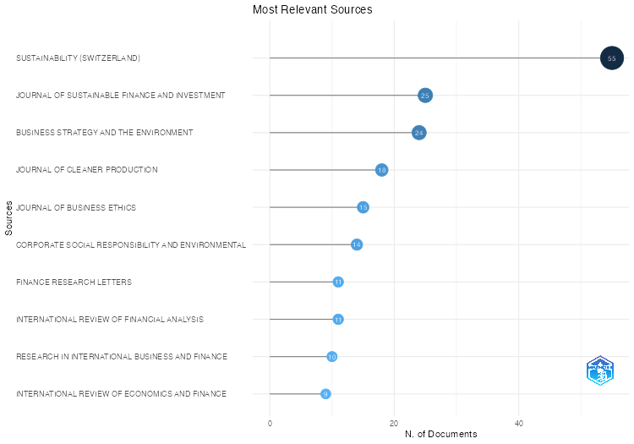
Sources | Articles
SUSTAINABILITY (SWITZERLAND) | 55
JOURNAL OF SUSTAINABLE FINANCE AND INVESTMENT | 25
BUSINESS STRATEGY AND THE ENVIRONMENT | 24
JOURNAL OF CLEANER PRODUCTION | 18
JOURNAL OF BUSINESS ETHICS | 15
CORPORATE SOCIAL RESPONSIBILITY AND ENVIRONMENTAL MANAGEMENT | 14
FINANCE RESEARCH LETTERS | 11
INTERNATIONAL REVIEW OF FINANCIAL ANALYSIS | 11
RESEARCH IN INTERNATIONAL BUSINESS AND FINANCE | 10
INTERNATIONAL REVIEW OF ECONOMICS AND FINANCE | 9
JOURNAL OF RISK AND FINANCIAL MANAGEMENT | 9
BUSINESS ETHICS, THE ENVIRONMENT AND RESPONSIBILITY | 7
CORPORATE GOVERNANCE (BINGLEY) | 6
CRITICAL STUDIES ON CORPORATE RESPONSIBILITY, GOVERNANCE AND SUSTAINABILITY | 6
JOURNAL OF ASSET MANAGEMENT | 6
ENERGY ECONOMICS | 5
JOURNAL OF BANKING AND FINANCE | 5
JOURNAL OF BEHAVIORAL AND EXPERIMENTAL FINANCE | 5
JOURNAL OF ENVIRONMENTAL MANAGEMENT | 5
KOREAN JOURNAL OF FINANCIAL STUDIES | 5
SOCIAL RESPONSIBILITY JOURNAL | 5
SUSTAINABLE DEVELOPMENT | 5
BORSA ISTANBUL REVIEW | 4
COGENT BUSINESS AND MANAGEMENT | 4
CORPORATE GOVERNANCE: AN INTERNATIONAL REVIEW | 4
EUROPEAN BUSINESS ORGANIZATION LAW REVIEW | 4
GLOBAL BUSINESS REVIEW | 4
INTERNATIONAL JOURNAL OF ENERGY ECONOMICS AND POLICY | 4
JOURNAL OF CORPORATE FINANCE | 4
MANAGERIAL FINANCE | 4
ANNALS OF OPERATIONS RESEARCH | 3
ASIA-PACIFIC FINANCIAL MARKETS | 3
BENCHMARKING | 3
BRITISH ACCOUNTING REVIEW | 3
ECOLOGICAL ECONOMICS | 3
ECONOMIC ANALYSIS AND POLICY | 3
ECONOMIC MODELLING | 3
ENVIRONMENT, DEVELOPMENT AND SUSTAINABILITY | 3
ENVIRONMENTAL SCIENCE AND POLLUTION RESEARCH | 3
INTERNATIONAL JOURNAL OF EMERGING MARKETS | 3
INTERNATIONAL JOURNAL OF FINANCIAL STUDIES | 3
JOURNAL OF FINANCIAL ECONOMICS | 3
KYBERNETES | 3
MANAGEMENT DECISION | 3
MATHEMATICS | 3
RESOURCES POLICY | 3
REVIEW OF BEHAVIORAL FINANCE | 3
REVIEW OF MANAGERIAL SCIENCE | 3
ACCOUNTING, FINANCE, SUSTAINABILITY, GOVERNANCE AND FRAUD | 2
ASIA-PACIFIC JOURNAL OF BUSINESS ADMINISTRATION | 2
ASIA-PACIFIC JOURNAL OF FINANCIAL STUDIES | 2
BRQ BUSINESS RESEARCH QUARTERLY | 2
BUSINESS AND SOCIETY | 2
CHINA FINANCE REVIEW INTERNATIONAL | 2
COMPUTATIONAL ECONOMICS | 2
COMPUTATIONAL MANAGEMENT SCIENCE | 2
CREDIT AND CAPITAL MARKETS | 2
DECISIONS IN ECONOMICS AND FINANCE | 2
DISCRETE DYNAMICS IN NATURE AND SOCIETY | 2
ECONOMIC CHANGE AND RESTRUCTURING | 2
ECONOMICS LETTERS | 2
ENERGY POLICY | 2
EUROPEAN FINANCIAL MANAGEMENT | 2
FRONTIERS IN ENVIRONMENTAL SCIENCE | 2
GLOBAL FINANCE JOURNAL | 2
HELIYON | 2
INDIAN JOURNAL OF CORPORATE GOVERNANCE | 2
INTERNATIONAL JOURNAL OF FINANCE AND ECONOMICS | 2
INTERNATIONAL JOURNAL OF SUPPLY CHAIN MANAGEMENT | 2
INTERNATIONAL JOURNAL OF SUSTAINABLE ECONOMY | 2
JOURNAL OF ACCOUNTING AND ECONOMICS | 2
JOURNAL OF ACCOUNTING AND ORGANIZATIONAL CHANGE | 2
JOURNAL OF BUSINESS RESEARCH | 2
JOURNAL OF DERIVATIVES AND QUANTITATIVE STUDIES | 2
JOURNAL OF ECONOMICS AND FINANCE | 2
JOURNAL OF FINANCE | 2
JOURNAL OF FINANCIAL REPORTING AND ACCOUNTING | 2
JOURNAL OF GLOBAL RESPONSIBILITY | 2
JOURNAL OF INVESTING | 2
JOURNAL OF MANAGEMENT AND GOVERNANCE | 2
JOURNAL OF MODELLING IN MANAGEMENT | 2
JOURNAL OF WEALTH MANAGEMENT | 2
LECTURE NOTES IN NETWORKS AND SYSTEMS | 2
MANAGEMENT SCIENCE | 2
PLOS ONE | 2
QUALITY AND QUANTITY | 2
QUARTERLY REVIEW OF ECONOMICS AND FINANCE | 2
REVIEW OF ACCOUNTING AND FINANCE | 2
REVIEW OF CORPORATE FINANCE | 2
REVIEW OF FINANCE | 2
REVISTA MEXICANA DE ECONOMIA Y FINANZAS NUEVA EPOCA | 2
REVUE FRANCAISE DE GESTION | 2
RISKS | 2
SOCIAL AND ENVIRONMENTAL ACCOUNTABILITY JOURNAL | 2
SOCIETY AND BUSINESS REVIEW | 2
SUSTAINABILITY ACCOUNTING, MANAGEMENT AND POLICY JOURNAL | 2
TECHNOLOGICAL FORECASTING AND SOCIAL CHANGE | 2
THE EVOLUTION OF SUSTAINABLE INVESTMENTS AND FINANCE: THEORETICAL PERSPECTIVES AND NEW CHALLENGES | 2
ACCOUNTING AND FINANCE | 1
ACRN JOURNAL OF FINANCE AND RISK PERSPECTIVES | 1
ADMINISTRATIVE SCIENCES | 1
ADVANCES IN INTERNATIONAL INVESTMENTS: TRADITIONAL AND ALTERNATIVE APPROACHES | 1
AMFITEATRU ECONOMIC | 1
ANALELE STIINTIFICE ALE UNIVERSITATII AL I CUZA DIN IASI - SECTIUNEA STIINTE ECONOMICE | 1
ANNALS OF CORPORATE GOVERNANCE | 1
ANNUAL REVIEW OF FINANCIAL ECONOMICS | 1
APPLIED ECONOMICS | 1
ARTIFICIAL INTELLIGENCE REVIEW | 1
ASIA PACIFIC BUSINESS REVIEW | 1
ASIA PACIFIC JOURNAL OF MANAGEMENT | 1
ASIA-PACIFIC SOCIAL SCIENCE REVIEW | 1
ASIAN ECONOMIC AND FINANCIAL REVIEW | 1
ASIAN REVIEW OF ACCOUNTING | 1
ASIAN REVIEW OF FINANCIAL RESEARCH | 1
ASTA ADVANCES IN STATISTICAL ANALYSIS | 1
AUSTRALASIAN ACCOUNTING, BUSINESS AND FINANCE JOURNAL | 1
AUSTRALIAN JOURNAL OF MANAGEMENT | 1
BANK I KREDYT | 1
BRITISH JOURNAL OF MANAGEMENT | 1
BUSINESS ETHICS | 1
BUSINESS ETHICS, ENVIRONMENT AND RESPONSIBILITY | 1
BUSINESS PERSPECTIVES AND RESEARCH | 1
BUSINESS PROCESS MANAGEMENT JOURNAL | 1
BUSINESS RESEARCH | 1
BUSINESS: THEORY AND PRACTICE | 1
CHALLENGES IN MANAGING SUSTAINABLE BUSINESS: REPORTING, TAXATION, ETHICS AND GOVERNANCE | 1
CHINA JOURNAL OF ECONOMETRICS | 1
CIRCULAR ECONOMY AND SUSTAINABILITY | 1
CLIMATE POLICY | 1
COGENT SOCIAL SCIENCES | 1
COLUMBIA JOURNAL OF LAW AND SOCIAL PROBLEMS | 1
COMPARATIVE ECONOMIC RESEARCH | 1
COMPUTERS AND OPERATIONS RESEARCH | 1
CONTADURIA Y ADMINISTRACION | 1
CORPORATE GOVERNANCE | 1
CORPORATE GOVERNANCE AND CORPORATE SOCIAL RESPONSIBILITY: EMERGING MARKETS FOCUS | 1
CSR AND SOCIALLY RESPONSIBLE INVESTING STRATEGIES IN TRANSITIONING AND EMERGING ECONOMIES | 1
CSR, SUSTAINABILITY, ETHICS AND GOVERNANCE | 1
CURRENT RESEARCH IN ENVIRONMENTAL SUSTAINABILITY | 1
DEVELOPMENTS IN CORPORATE GOVERNANCE AND RESPONSIBILITY | 1
ECOLOGY LAW QUARTERLY | 1
ECONOMICS - INNOVATIVE AND ECONOMICS RESEARCH JOURNAL | 1
ECONOMICS AND FINANCE LETTERS | 1
ECS TRANSACTIONS | 1
EMERGING MARKETS REVIEW | 1
ENERGY RESEARCH AND SOCIAL SCIENCE | 1
ENTREPRENEURSHIP AND SUSTAINABILITY ISSUES | 1
ENVIRONMENT AND SOCIAL PSYCHOLOGY | 1
ENVIRONMENTAL COST MANAGEMENT | 1
ENVIRONMENTAL PROGRESS AND SUSTAINABLE ENERGY | 1
EURASIAN BUSINESS REVIEW | 1
EUROPEAN ACTUARIAL JOURNAL | 1
EUROPEAN JOURNAL OF SOCIAL SECURITY | 1
EUROPEAN LABOUR LAW JOURNAL | 1
EVERGREEN | 1
EXPOSURE AND HEALTH | 1
FEMINIST ECONOMICS | 1
FINANCE INDIA | 1
FINANCE: THEORY AND PRACTICE | 1
FINANCIAL ACCOUNTABILITY AND MANAGEMENT | 1
FINANCIAL ANALYSTS JOURNAL | 1
FINANCIAL MANAGEMENT | 1
FINANCIAL MARKETS AND PORTFOLIO MANAGEMENT | 1
FINANCIAL MARKETS, INSTITUTIONS AND INSTRUMENTS | 1
FRONTIERS IN ENERGY RESEARCH | 1
FRONTIERS IN PSYCHOLOGY | 1
GLOBAL BUSINESS AND ORGANIZATIONAL EXCELLENCE | 1
GLOBAL ENVIRONMENTAL CHANGE | 1
GLOBAL KNOWLEDGE, MEMORY AND COMMUNICATION | 1
GONDWANA RESEARCH | 1
HUMANITIES AND SOCIAL SCIENCES COMMUNICATIONS | 1
IEEE ACCESS | 1
INDUSTRIAL MANAGEMENT AND DATA SYSTEMS | 1
INDUSTRIAL MARKETING MANAGEMENT | 1
INFORMATION SCIENCES | 1
INTERDISCIPLINARY JOURNAL OF MANAGEMENT STUDIES | 1
INTERNATIONAL CONFERENCE ON ENTERPRISE INFORMATION SYSTEMS, ICEIS - PROCEEDINGS | 1
INTERNATIONAL JOURNAL OF ACCOUNTING AND INFORMATION MANAGEMENT | 1
INTERNATIONAL JOURNAL OF APPLIED BUSINESS AND ECONOMIC RESEARCH | 1
INTERNATIONAL JOURNAL OF BUSINESS AND GLOBALISATION | 1
INTERNATIONAL JOURNAL OF BUSINESS PERFORMANCE MANAGEMENT | 1
INTERNATIONAL JOURNAL OF CONSUMER STUDIES | 1
INTERNATIONAL JOURNAL OF DISCLOSURE AND GOVERNANCE | 1
INTERNATIONAL JOURNAL OF ECONOMICS AND FINANCE STUDIES | 1
INTERNATIONAL JOURNAL OF ECONOMICS AND MANAGEMENT | 1
INTERNATIONAL JOURNAL OF ENERGY SECTOR MANAGEMENT | 1
INTERNATIONAL JOURNAL OF ENGINEERING TRENDS AND TECHNOLOGY | 1
INTERNATIONAL JOURNAL OF FINANCIAL RESEARCH | 1
INTERNATIONAL JOURNAL OF GREEN ECONOMICS | 1
INTERNATIONAL JOURNAL OF HOSPITALITY MANAGEMENT | 1
INTERNATIONAL JOURNAL OF HUMAN CAPITAL IN URBAN MANAGEMENT | 1
INTERNATIONAL JOURNAL OF ISLAMIC AND MIDDLE EASTERN FINANCE AND MANAGEMENT | 1
INTERNATIONAL JOURNAL OF MANAGERIAL AND FINANCIAL ACCOUNTING | 1
INTERNATIONAL JOURNAL OF OPERATIONAL RESEARCH | 1
INTERNATIONAL JOURNAL OF ORGANIZATIONAL ANALYSIS | 1
INTERNATIONAL JOURNAL OF SPORTS MARKETING AND SPONSORSHIP | 1
INTERNATIONAL JOURNAL OF THE ANALYTIC HIERARCHY PROCESS | 1
INTERNATIONAL LAWYER | 1
INTERNATIONAL REVIEW OF FINANCE | 1
INTERNATIONAL TRANSACTIONS IN OPERATIONAL RESEARCH | 1
INVESTMENT ANALYSTS JOURNAL | 1
INVESTMENT MANAGEMENT AND FINANCIAL INNOVATIONS | 1
ISLAMIC FINANCE AND SUSTAINABLE DEVELOPMENT: A GLOBAL FRAMEWORK FOR ACHIEVING SUSTAINABLE IMPACT FINANCE | 1
ISLAMIC FINANCE AND SUSTAINABLE DEVELOPMENT: A SUSTAINABLE ECONOMIC FRAMEWORK FOR MUSLIM AND NON-MUSLIM COUNTRIES | 1
ISRA INTERNATIONAL JOURNAL OF ISLAMIC FINANCE | 1
ISSUES IN BUSINESS ETHICS | 1
JOURNAL FOR INTERNATIONAL BUSINESS AND ENTREPRENEURSHIP DEVELOPMENT | 1
JOURNAL OF ACCOUNTING AND PUBLIC POLICY | 1
JOURNAL OF ADVANCES IN MANAGEMENT RESEARCH | 1
JOURNAL OF ALTERNATIVE INVESTMENTS | 1
JOURNAL OF APPLIED ACCOUNTING RESEARCH | 1
JOURNAL OF ASIAN AND AFRICAN STUDIES | 1
JOURNAL OF ASIAN ECONOMICS | 1
JOURNAL OF CAPITAL MARKETS STUDIES | 1
JOURNAL OF CORPORATE ACCOUNTING AND FINANCE | 1
JOURNAL OF CORPORATE REAL ESTATE | 1
JOURNAL OF EASTERN EUROPEAN AND CENTRAL ASIAN RESEARCH | 1
JOURNAL OF ECONOMIC BEHAVIOR AND ORGANIZATION | 1
JOURNAL OF ECONOMIC DYNAMICS AND CONTROL | 1
JOURNAL OF EDUCATION FOR BUSINESS | 1
JOURNAL OF EMERGING MARKET FINANCE | 1
JOURNAL OF ENVIRONMENTAL ASSESSMENT POLICY AND MANAGEMENT | 1
JOURNAL OF ENVIRONMENTAL MANAGEMENT AND TOURISM | 1
JOURNAL OF FINANCIAL AND QUANTITATIVE ANALYSIS | 1
JOURNAL OF FINANCIAL SERVICES MARKETING | 1
JOURNAL OF FUTURES MARKETS | 1
JOURNAL OF GENERAL MANAGEMENT | 1
JOURNAL OF INDEX INVESTING | 1
JOURNAL OF INNOVATION MANAGEMENT | 1
JOURNAL OF INTEGRATIVE ENVIRONMENTAL SCIENCES | 1
JOURNAL OF INTERNATIONAL MONEY AND FINANCE | 1
JOURNAL OF INTERNET BANKING AND COMMERCE | 1
JOURNAL OF ISLAMIC ACCOUNTING AND BUSINESS RESEARCH | 1
JOURNAL OF KING ABDULAZIZ UNIVERSITY, ISLAMIC ECONOMICS | 1
JOURNAL OF MANAGEMENT CONTROL | 1
JOURNAL OF MANAGEMENT SCIENCE AND ENGINEERING | 1
JOURNAL OF PORTFOLIO MANAGEMENT | 1
JOURNAL OF RETAILING AND CONSUMER SERVICES | 1
JOURNAL OF RISK FINANCE | 1
JOURNAL OF SUSTAINABILITY RESEARCH | 1
JOURNAL OF THE ACADEMY OF MARKETING SCIENCE | 1
JOURNAL OF THE GEOLOGICAL SOCIETY OF INDIA | 1
JOURNAL OF THE KNOWLEDGE ECONOMY | 1
JOURNAL OF TRAVEL AND TOURISM MARKETING | 1
JOURNAL OF TRAVEL RESEARCH | 1
KOREA OBSERVER | 1
LAW AND CONTEMPORARY PROBLEMS | 1
LEGAL STUDIES | 1
MACHINES | 1
MANAGEMENT AND ACCOUNTING REVIEW | 1
MANAGEMENT AND LABOUR STUDIES | 1
MANAGEMENT FOR PROFESSIONALS | 1
MANAGEMENT OF ENVIRONMENTAL QUALITY: AN INTERNATIONAL JOURNAL | 1
MANAGEMENT RESEARCH REVIEW | 1
MANAGEMENT REVIEW QUARTERLY | 1
MATHEMATICAL AND STATISTICAL METHODS FOR ACTUARIAL SCIENCES AND FINANCE, MAF 2018 | 1
MEASURING BUSINESS EXCELLENCE | 1
MEDITARI ACCOUNTANCY RESEARCH | 1
NEURAL COMPUTING AND APPLICATIONS | 1
NORTH AMERICAN JOURNAL OF ECONOMICS AND FINANCE | 1
OECONOMIA COPERNICANA | 1
OPEN RESEARCH EUROPE | 1
ORGANIZATION STUDIES | 1
PACIFIC ACCOUNTING REVIEW | 1
PACIFIC BASIN FINANCE JOURNAL | 1
PAKISTAN JOURNAL OF COMMERCE AND SOCIAL SCIENCES | 1
PALGRAVE STUDIES IN SUSTAINABLE BUSINESS IN ASSOCIATION WITH FUTURE EARTH | 1
PESQUISA OPERACIONAL | 1
POLISH JOURNAL OF ENVIRONMENTAL STUDIES | 1
PRAGUE ECONOMIC PAPERS | 1
PROCEEDINGS - 22ND INTERNATIONAL CONGRESS ON MODELLING AND SIMULATION, MODSIM 2017 | 1
PUBLIC POLICY AND ADMINISTRATION | 1
PUBLIC RELATIONS REVIEW | 1
QUALITATIVE RESEARCH IN FINANCIAL MARKETS | 1
QUANTITATIVE FINANCE AND ECONOMICS | 1
QUARTERLY JOURNAL OF FINANCE | 1
RENEWABLE ENERGY | 1
RESEARCH ANTHOLOGY ON BUSINESS LAW, POLICY, AND SOCIAL RESPONSIBILITY | 1
RESULTS IN ENGINEERING | 1
REVESCO REVISTA DE ESTUDIOS COOPERATIVOS | 1
REVIEW OF ACCOUNTING STUDIES | 1
REVIEW OF ASSET PRICING STUDIES | 1
REVIEW OF FINANCIAL ECONOMICS | 1
REVIEW OF FINANCIAL STUDIES | 1
REVIEW OF INTEGRATIVE BUSINESS AND ECONOMICS RESEARCH | 1
REVIEW OF QUANTITATIVE FINANCE AND ACCOUNTING | 1
REVISTA JURIDICA | 1
SAGE OPEN | 1
SCHMALENBACH JOURNAL OF BUSINESS RESEARCH | 1
SCIENTIA IRANICA | 1
SEMIOTICA | 1
SOCIALLY RESPONSIBLE FINANCE AND INVESTING: FINANCIAL INSTITUTIONS, CORPORATIONS, INVESTORS, AND ACTIVISTS | 1
SOUTH AFRICAN JOURNAL OF BUSINESS MANAGEMENT | 1
SOUTH AFRICAN JOURNAL OF INDUSTRIAL ENGINEERING | 1
SPRINGER PROCEEDINGS IN BUSINESS AND ECONOMICS | 1
STRUCTURAL CHANGE AND ECONOMIC DYNAMICS | 1
STUDIES IN BUSINESS AND ECONOMICS | 1
SUSTAINABLE ELECTRICITY II: A CONVERSATION ON TRADEOFFS | 1
SUSTAINABLE FINANCE: CHALLENGES, OPPORTUNITIES AND FUTURE PROSPECTS | 1
TECHNOLOGICAL AND ECONOMIC DEVELOPMENT OF ECONOMY | 1
TECHNOLOGY IN SOCIETY | 1
THE CAMBRIDGE HANDBOOK OF CORPORATE LAW, CORPORATE GOVERNANCE AND SUSTAINABILITY | 1
THE HANDBOOK OF CARBON MANAGEMENT: A STEP-BY-STEP GUIDE TO HIGH-IMPACT CLIMATE SOLUTIONS FOR EVERY MANAGER IN EVERY FUNCTION | 1
THE IMPACT OF ORGANIZATIONS: MEASUREMENT, MANAGEMENT AND CORPORATE REPORTING | 1
THE SHORT GUIDE TO SUSTAINABLE INVESTING | 1
THE UNITED NATIONS GLOBAL COMPACT ACHIEVEMENTS, TRENDS AND CHALLENGES | 1
THEORETICAL ECONOMICS | 1
TQM JOURNAL | 1
TRANSFORMATIONS IN BUSINESS AND ECONOMICS | 1
VISION | 1
WIRELESS NETWORKS | 1
ZEITSCHRIFT FUR DIE GESAMTE VERSICHERUNGSWISSENSCHAFT | 1
ZEITSCHRIFT FUR WIRTSCHAFTSGEOGRAPHIE | 1
ZESZYTY TEORETYCZNE RACHUNKOWOSCI | 1

SourceLocImpact
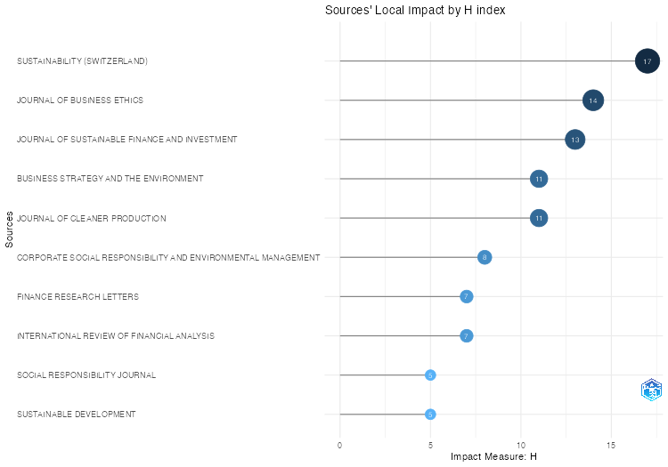
Source | h_index | g_index | m_index | TC | NP | PY_start
SUSTAINABILITY (SWITZERLAND) | 17 | 33 | 1.8888888889 | 1189 | 55 | 2016
JOURNAL OF BUSINESS ETHICS | 14 | 15 | 1 | 1814 | 15 | 2011
JOURNAL OF SUSTAINABLE FINANCE AND INVESTMENT | 13 | 24 | 0.92857142857 | 578 | 25 | 2011
BUSINESS STRATEGY AND THE ENVIRONMENT | 11 | 24 | 0.91666666667 | 876 | 24 | 2013
JOURNAL OF CLEANER PRODUCTION | 11 | 18 | 1.375 | 415 | 18 | 2017
CORPORATE SOCIAL RESPONSIBILITY AND ENVIRONMENTAL MANAGEMENT | 8 | 14 | 1 | 401 | 14 | 2017
FINANCE RESEARCH LETTERS | 7 | 11 | 0.7 | 283 | 11 | 2015
INTERNATIONAL REVIEW OF FINANCIAL ANALYSIS | 7 | 11 | 0.875 | 354 | 11 | 2017
SOCIAL RESPONSIBILITY JOURNAL | 5 | 5 | 0.83333333333 | 237 | 5 | 2019
SUSTAINABLE DEVELOPMENT | 5 | 5 | 0.35714285714 | 244 | 5 | 2011
CORPORATE GOVERNANCE (BINGLEY) | 4 | 6 | 0.36363636364 | 63 | 6 | 2014
EUROPEAN BUSINESS ORGANIZATION LAW REVIEW | 4 | 4 | 1 | 67 | 4 | 2021
INTERNATIONAL REVIEW OF ECONOMICS AND FINANCE | 4 | 6 | 0.8 | 48 | 9 | 2020
JOURNAL OF ASSET MANAGEMENT | 4 | 6 | 0.4 | 256 | 6 | 2015
JOURNAL OF BANKING AND FINANCE | 4 | 5 | 0.36363636364 | 533 | 5 | 2014
BORSA ISTANBUL REVIEW | 3 | 4 | 0.75 | 67 | 4 | 2021
CORPORATE GOVERNANCE: AN INTERNATIONAL REVIEW | 3 | 4 | 0.25 | 190 | 4 | 2013
CRITICAL STUDIES ON CORPORATE RESPONSIBILITY, GOVERNANCE AND SUSTAINABILITY | 3 | 5 | 0.25 | 26 | 6 | 2013
ECONOMIC ANALYSIS AND POLICY | 3 | 3 | 1 | 55 | 3 | 2022
INTERNATIONAL JOURNAL OF ENERGY ECONOMICS AND POLICY | 3 | 4 | 0.6 | 33 | 4 | 2020
JOURNAL OF BEHAVIORAL AND EXPERIMENTAL FINANCE | 3 | 5 | 0.42857142857 | 93 | 5 | 2018
JOURNAL OF CORPORATE FINANCE | 3 | 4 | 0.3 | 718 | 4 | 2015
JOURNAL OF FINANCIAL ECONOMICS | 3 | 3 | 0.6 | 1035 | 3 | 2020
JOURNAL OF RISK AND FINANCIAL MANAGEMENT | 3 | 5 | 0.75 | 28 | 9 | 2021
MANAGERIAL FINANCE | 3 | 4 | 1 | 63 | 4 | 2022
RESEARCH IN INTERNATIONAL BUSINESS AND FINANCE | 3 | 9 | 0.375 | 94 | 10 | 2017
REVIEW OF MANAGERIAL SCIENCE | 3 | 3 | 0.5 | 120 | 3 | 2019
BRITISH ACCOUNTING REVIEW | 2 | 3 | 0.28571428571 | 436 | 3 | 2018
BUSINESS AND SOCIETY | 2 | 2 | 0.22222222222 | 282 | 2 | 2016
BUSINESS ETHICS, THE ENVIRONMENT AND RESPONSIBILITY | 2 | 3 | 1 | 15 | 7 | 2023
COGENT BUSINESS AND MANAGEMENT | 2 | 4 | 0.25 | 37 | 4 | 2017
COMPUTATIONAL MANAGEMENT SCIENCE | 2 | 2 | 0.66666666667 | 42 | 2 | 2022
DECISIONS IN ECONOMICS AND FINANCE | 2 | 2 | 0.5 | 30 | 2 | 2021
DISCRETE DYNAMICS IN NATURE AND SOCIETY | 2 | 2 | 0.5 | 18 | 2 | 2021
ECOLOGICAL ECONOMICS | 2 | 3 | 0.22222222222 | 55 | 3 | 2016
ECONOMIC MODELLING | 2 | 3 | 1 | 41 | 3 | 2023
ENERGY ECONOMICS | 2 | 5 | 1 | 82 | 5 | 2023
ENERGY POLICY | 2 | 2 | 0.4 | 90 | 2 | 2020
ENVIRONMENT, DEVELOPMENT AND SUSTAINABILITY | 2 | 3 | 0.5 | 34 | 3 | 2021
ENVIRONMENTAL SCIENCE AND POLLUTION RESEARCH | 2 | 3 | 0.66666666667 | 35 | 3 | 2022
GLOBAL BUSINESS REVIEW | 2 | 4 | 0.5 | 33 | 4 | 2021
GLOBAL FINANCE JOURNAL | 2 | 2 | 0.66666666667 | 19 | 2 | 2022
INDIAN JOURNAL OF CORPORATE GOVERNANCE | 2 | 2 | 0.28571428571 | 6 | 2 | 2018
INTERNATIONAL JOURNAL OF EMERGING MARKETS | 2 | 3 | 0.66666666667 | 24 | 3 | 2022
INTERNATIONAL JOURNAL OF FINANCE AND ECONOMICS | 2 | 2 | 1 | 29 | 2 | 2023
INTERNATIONAL JOURNAL OF FINANCIAL STUDIES | 2 | 3 | 0.4 | 52 | 3 | 2020
INTERNATIONAL JOURNAL OF SUSTAINABLE ECONOMY | 2 | 2 | 0.5 | 15 | 2 | 2021
JOURNAL OF DERIVATIVES AND QUANTITATIVE STUDIES | 2 | 2 | 0.4 | 39 | 2 | 2020
JOURNAL OF FINANCE | 2 | 2 | 0.33333333333 | 499 | 2 | 2019
JOURNAL OF INVESTING | 2 | 2 | 0.4 | 11 | 2 | 2020
KOREAN JOURNAL OF FINANCIAL STUDIES | 2 | 2 | 0.5 | 8 | 5 | 2021
KYBERNETES | 2 | 2 | 1 | 6 | 3 | 2023
MANAGEMENT DECISION | 2 | 3 | 0.66666666667 | 20 | 3 | 2022
MANAGEMENT SCIENCE | 2 | 2 | 0.33333333333 | 159 | 2 | 2019
MATHEMATICS | 2 | 3 | 0.4 | 9 | 3 | 2020
PLOS ONE | 2 | 2 | 0.4 | 39 | 2 | 2020
QUARTERLY REVIEW OF ECONOMICS AND FINANCE | 2 | 2 | 0.5 | 14 | 2 | 2021
RESOURCES POLICY | 2 | 3 | 1 | 39 | 3 | 2023
REVIEW OF ACCOUNTING AND FINANCE | 2 | 2 | 1 | 18 | 2 | 2023
REVIEW OF BEHAVIORAL FINANCE | 2 | 3 | 0.5 | 31 | 3 | 2021
REVIEW OF CORPORATE FINANCE | 2 | 2 | 2 | 7 | 2 | 2024
REVIEW OF FINANCE | 2 | 2 | 0.66666666667 | 70 | 2 | 2022
SOCIAL AND ENVIRONMENTAL ACCOUNTABILITY JOURNAL | 2 | 2 | 0.22222222222 | 52 | 2 | 2016
SOCIETY AND BUSINESS REVIEW | 2 | 2 | 1 | 17 | 2 | 2023
SUSTAINABILITY ACCOUNTING, MANAGEMENT AND POLICY JOURNAL | 2 | 2 | 0.33333333333 | 19 | 2 | 2019
THE EVOLUTION OF SUSTAINABLE INVESTMENTS AND FINANCE: THEORETICAL PERSPECTIVES AND NEW CHALLENGES | 2 | 2 | 0.5 | 7 | 2 | 2021
ACCOUNTING AND FINANCE | 1 | 1 | 1 | 1 | 1 | 2024
ACCOUNTING, FINANCE, SUSTAINABILITY, GOVERNANCE AND FRAUD | 1 | 1 | 0.14285714286 | 2 | 2 | 2018
ADMINISTRATIVE SCIENCES | 1 | 1 | 0.5 | 20 | 1 | 2023
ADVANCES IN INTERNATIONAL INVESTMENTS: TRADITIONAL AND ALTERNATIVE APPROACHES | 1 | 1 | 0.058823529412 | 1 | 1 | 2008
AMFITEATRU ECONOMIC | 1 | 1 | 0.2 | 1 | 1 | 2020
ANALELE STIINTIFICE ALE UNIVERSITATII AL I CUZA DIN IASI - SECTIUNEA STIINTE ECONOMICE | 1 | 1 | 0.083333333333 | 5 | 1 | 2013
ANNALS OF OPERATIONS RESEARCH | 1 | 2 | 1 | 4 | 3 | 2024
ANNUAL REVIEW OF FINANCIAL ECONOMICS | 1 | 1 | 0.33333333333 | 53 | 1 | 2022
APPLIED ECONOMICS | 1 | 1 | 1 | 1 | 1 | 2024
ARTIFICIAL INTELLIGENCE REVIEW | 1 | 1 | 1 | 3 | 1 | 2024
ASIA PACIFIC BUSINESS REVIEW | 1 | 1 | 0.11111111111 | 11 | 1 | 2016
ASIA PACIFIC JOURNAL OF MANAGEMENT | 1 | 1 | 0.5 | 1 | 1 | 2023
ASIA-PACIFIC FINANCIAL MARKETS | 1 | 3 | 0.5 | 36 | 3 | 2023
ASIA-PACIFIC JOURNAL OF BUSINESS ADMINISTRATION | 1 | 1 | 1 | 3 | 2 | 2024
ASIA-PACIFIC JOURNAL OF FINANCIAL STUDIES | 1 | 2 | 0.33333333333 | 31 | 2 | 2022
ASIA-PACIFIC SOCIAL SCIENCE REVIEW | 1 | 1 | 0.2 | 3 | 1 | 2020
ASIAN ECONOMIC AND FINANCIAL REVIEW | 1 | 1 | 0.16666666667 | 1 | 1 | 2019
AUSTRALASIAN ACCOUNTING, BUSINESS AND FINANCE JOURNAL | 1 | 1 | 1 | 1 | 1 | 2024
BANK I KREDYT | 1 | 1 | 0.25 | 2 | 1 | 2021
BENCHMARKING | 1 | 3 | 0.5 | 11 | 3 | 2023
BRITISH JOURNAL OF MANAGEMENT | 1 | 1 | 0.25 | 29 | 1 | 2021
BRQ BUSINESS RESEARCH QUARTERLY | 1 | 1 | 0.33333333333 | 3 | 2 | 2022
BUSINESS ETHICS | 1 | 1 | 0.11111111111 | 45 | 1 | 2016
BUSINESS ETHICS, ENVIRONMENT AND RESPONSIBILITY | 1 | 1 | 0.5 | 7 | 1 | 2023
BUSINESS PROCESS MANAGEMENT JOURNAL | 1 | 1 | 0.5 | 7 | 1 | 2023
BUSINESS RESEARCH | 1 | 1 | 0.1 | 94 | 1 | 2015
BUSINESS: THEORY AND PRACTICE | 1 | 1 | 0.5 | 3 | 1 | 2023
CHALLENGES IN MANAGING SUSTAINABLE BUSINESS: REPORTING, TAXATION, ETHICS AND GOVERNANCE | 1 | 1 | 0.14285714286 | 1 | 1 | 2018
CHINA FINANCE REVIEW INTERNATIONAL | 1 | 2 | 1 | 36 | 2 | 2024
CHINA JOURNAL OF ECONOMETRICS | 1 | 1 | 0.5 | 1 | 1 | 2023
CIRCULAR ECONOMY AND SUSTAINABILITY | 1 | 1 | 0.5 | 5 | 1 | 2023
CLIMATE POLICY | 1 | 1 | 0.16666666667 | 19 | 1 | 2019
COGENT SOCIAL SCIENCES | 1 | 1 | 0.5 | 3 | 1 | 2023
COMPARATIVE ECONOMIC RESEARCH | 1 | 1 | 0.14285714286 | 8 | 1 | 2018
COMPUTATIONAL ECONOMICS | 1 | 2 | 0.5 | 14 | 2 | 2023
COMPUTERS AND OPERATIONS RESEARCH | 1 | 1 | 1 | 1 | 1 | 2024
CONTADURIA Y ADMINISTRACION | 1 | 1 | 0.33333333333 | 1 | 1 | 2022
CORPORATE GOVERNANCE | 1 | 1 | 0.066666666667 | 5 | 1 | 2010
CORPORATE GOVERNANCE AND CORPORATE SOCIAL RESPONSIBILITY: EMERGING MARKETS FOCUS | 1 | 1 | 0.090909090909 | 2 | 1 | 2014
CREDIT AND CAPITAL MARKETS | 1 | 1 | 0.2 | 2 | 2 | 2020
CSR AND SOCIALLY RESPONSIBLE INVESTING STRATEGIES IN TRANSITIONING AND EMERGING ECONOMIES | 1 | 1 | 0.2 | 4 | 1 | 2020
CURRENT RESEARCH IN ENVIRONMENTAL SUSTAINABILITY | 1 | 1 | 1 | 1 | 1 | 2024
DEVELOPMENTS IN CORPORATE GOVERNANCE AND RESPONSIBILITY | 1 | 1 | 0.125 | 2 | 1 | 2017
ECOLOGY LAW QUARTERLY | 1 | 1 | 0.066666666667 | 20 | 1 | 2010
ECONOMIC CHANGE AND RESTRUCTURING | 1 | 1 | 0.5 | 3 | 2 | 2023
ECONOMICS - INNOVATIVE AND ECONOMICS RESEARCH JOURNAL | 1 | 1 | 0.5 | 2 | 1 | 2023
ECONOMICS LETTERS | 1 | 1 | 1 | 2 | 2 | 2024
EMERGING MARKETS REVIEW | 1 | 1 | 0.33333333333 | 2 | 1 | 2022
ENERGY RESEARCH AND SOCIAL SCIENCE | 1 | 1 | 0.14285714286 | 23 | 1 | 2018
ENTREPRENEURSHIP AND SUSTAINABILITY ISSUES | 1 | 1 | 0.16666666667 | 10 | 1 | 2019
ENVIRONMENTAL PROGRESS AND SUSTAINABLE ENERGY | 1 | 1 | 0.5 | 7 | 1 | 2023
EURASIAN BUSINESS REVIEW | 1 | 1 | 0.33333333333 | 13 | 1 | 2022
EUROPEAN ACTUARIAL JOURNAL | 1 | 1 | 0.5 | 6 | 1 | 2023
EUROPEAN FINANCIAL MANAGEMENT | 1 | 2 | 1 | 9 | 2 | 2024
EUROPEAN JOURNAL OF SOCIAL SECURITY | 1 | 1 | 0.25 | 3 | 1 | 2021
EUROPEAN LABOUR LAW JOURNAL | 1 | 1 | 0.5 | 2 | 1 | 2023
EXPOSURE AND HEALTH | 1 | 1 | 0.33333333333 | 6 | 1 | 2022
FEMINIST ECONOMICS | 1 | 1 | 0.14285714286 | 11 | 1 | 2018
FINANCIAL ACCOUNTABILITY AND MANAGEMENT | 1 | 1 | 0.5 | 5 | 1 | 2023
FINANCIAL ANALYSTS JOURNAL | 1 | 1 | 0.5 | 10 | 1 | 2023
FINANCIAL MANAGEMENT | 1 | 1 | 0.5 | 97 | 1 | 2023
FINANCIAL MARKETS AND PORTFOLIO MANAGEMENT | 1 | 1 | 0.2 | 14 | 1 | 2020
FINANCIAL MARKETS, INSTITUTIONS AND INSTRUMENTS | 1 | 1 | 0.2 | 41 | 1 | 2020
FRONTIERS IN ENERGY RESEARCH | 1 | 1 | 0.25 | 11 | 1 | 2021
FRONTIERS IN ENVIRONMENTAL SCIENCE | 1 | 2 | 0.33333333333 | 9 | 2 | 2022
FRONTIERS IN PSYCHOLOGY | 1 | 1 | 0.33333333333 | 7 | 1 | 2022
GLOBAL BUSINESS AND ORGANIZATIONAL EXCELLENCE | 1 | 1 | 0.5 | 22 | 1 | 2023
GLOBAL ENVIRONMENTAL CHANGE | 1 | 1 | 0.14285714286 | 100 | 1 | 2018
GONDWANA RESEARCH | 1 | 1 | 1 | 2 | 1 | 2024
HELIYON | 1 | 2 | 0.2 | 26 | 2 | 2020
IEEE ACCESS | 1 | 1 | 0.25 | 2 | 1 | 2021
INDUSTRIAL MARKETING MANAGEMENT | 1 | 1 | 0.5 | 2 | 1 | 2023
INFORMATION SCIENCES | 1 | 1 | 0.5 | 9 | 1 | 2023
INTERNATIONAL CONFERENCE ON ENTERPRISE INFORMATION SYSTEMS, ICEIS - PROCEEDINGS | 1 | 1 | 0.5 | 3 | 1 | 2023
INTERNATIONAL JOURNAL OF APPLIED BUSINESS AND ECONOMIC RESEARCH | 1 | 1 | 0.11111111111 | 1 | 1 | 2016
INTERNATIONAL JOURNAL OF CONSUMER STUDIES | 1 | 1 | 0.5 | 34 | 1 | 2023
INTERNATIONAL JOURNAL OF DISCLOSURE AND GOVERNANCE | 1 | 1 | 0.2 | 89 | 1 | 2020
INTERNATIONAL JOURNAL OF ECONOMICS AND MANAGEMENT | 1 | 1 | 0.5 | 2 | 1 | 2023
INTERNATIONAL JOURNAL OF ENERGY SECTOR MANAGEMENT | 1 | 1 | 1 | 2 | 1 | 2024
INTERNATIONAL JOURNAL OF FINANCIAL RESEARCH | 1 | 1 | 0.16666666667 | 6 | 1 | 2019
INTERNATIONAL JOURNAL OF MANAGERIAL AND FINANCIAL ACCOUNTING | 1 | 1 | 1 | 1 | 1 | 2024
INTERNATIONAL JOURNAL OF OPERATIONAL RESEARCH | 1 | 1 | 0.11111111111 | 2 | 1 | 2016
INTERNATIONAL JOURNAL OF ORGANIZATIONAL ANALYSIS | 1 | 1 | 0.5 | 1 | 1 | 2023
INTERNATIONAL JOURNAL OF SUPPLY CHAIN MANAGEMENT | 1 | 2 | 0.16666666667 | 4 | 2 | 2019
INTERNATIONAL JOURNAL OF THE ANALYTIC HIERARCHY PROCESS | 1 | 1 | 0.25 | 2 | 1 | 2021
INVESTMENT ANALYSTS JOURNAL | 1 | 1 | 0.076923076923 | 18 | 1 | 2012
INVESTMENT MANAGEMENT AND FINANCIAL INNOVATIONS | 1 | 1 | 0.2 | 2 | 1 | 2020
ISLAMIC FINANCE AND SUSTAINABLE DEVELOPMENT: A SUSTAINABLE ECONOMIC FRAMEWORK FOR MUSLIM AND NON-MUSLIM COUNTRIES | 1 | 1 | 0.25 | 4 | 1 | 2021
ISRA INTERNATIONAL JOURNAL OF ISLAMIC FINANCE | 1 | 1 | 0.1 | 11 | 1 | 2015
ISSUES IN BUSINESS ETHICS | 1 | 1 | 0.125 | 2 | 1 | 2017
JOURNAL FOR INTERNATIONAL BUSINESS AND ENTREPRENEURSHIP DEVELOPMENT | 1 | 1 | 0.33333333333 | 2 | 1 | 2022
JOURNAL OF ACCOUNTING AND ECONOMICS | 1 | 2 | 0.2 | 205 | 2 | 2020
JOURNAL OF ACCOUNTING AND ORGANIZATIONAL CHANGE | 1 | 1 | 0.5 | 2 | 2 | 2023
JOURNAL OF ACCOUNTING AND PUBLIC POLICY | 1 | 1 | 0.5 | 1 | 1 | 2023
JOURNAL OF ADVANCES IN MANAGEMENT RESEARCH | 1 | 1 | 0.1 | 33 | 1 | 2015
JOURNAL OF ALTERNATIVE INVESTMENTS | 1 | 1 | 0.2 | 5 | 1 | 2020
JOURNAL OF APPLIED ACCOUNTING RESEARCH | 1 | 1 | 1 | 7 | 1 | 2024
JOURNAL OF ASIAN ECONOMICS | 1 | 1 | 0.5 | 7 | 1 | 2023
JOURNAL OF BUSINESS RESEARCH | 1 | 2 | 0.5 | 31 | 2 | 2023
JOURNAL OF CAPITAL MARKETS STUDIES | 1 | 1 | 0.2 | 16 | 1 | 2020
JOURNAL OF CORPORATE ACCOUNTING AND FINANCE | 1 | 1 | 1 | 2 | 1 | 2024
JOURNAL OF CORPORATE REAL ESTATE | 1 | 1 | 0.083333333333 | 8 | 1 | 2013
JOURNAL OF EASTERN EUROPEAN AND CENTRAL ASIAN RESEARCH | 1 | 1 | 0.33333333333 | 8 | 1 | 2022
JOURNAL OF ECONOMIC BEHAVIOR AND ORGANIZATION | 1 | 1 | 0.33333333333 | 5 | 1 | 2022
JOURNAL OF ECONOMIC DYNAMICS AND CONTROL | 1 | 1 | 0.5 | 1 | 1 | 2023
JOURNAL OF ECONOMICS AND FINANCE | 1 | 2 | 0.5 | 4 | 2 | 2023
JOURNAL OF EDUCATION FOR BUSINESS | 1 | 1 | 0.33333333333 | 3 | 1 | 2022
JOURNAL OF EMERGING MARKET FINANCE | 1 | 1 | 0.5 | 2 | 1 | 2023
JOURNAL OF ENVIRONMENTAL MANAGEMENT | 1 | 2 | 0.5 | 4 | 5 | 2023
JOURNAL OF ENVIRONMENTAL MANAGEMENT AND TOURISM | 1 | 1 | 0.33333333333 | 3 | 1 | 2022
JOURNAL OF FINANCIAL AND QUANTITATIVE ANALYSIS | 1 | 1 | 1 | 8 | 1 | 2024
JOURNAL OF FINANCIAL REPORTING AND ACCOUNTING | 1 | 1 | 0.33333333333 | 3 | 2 | 2022
JOURNAL OF FINANCIAL SERVICES MARKETING | 1 | 1 | 0.090909090909 | 14 | 1 | 2014
JOURNAL OF GENERAL MANAGEMENT | 1 | 1 | 0.33333333333 | 11 | 1 | 2022
JOURNAL OF GLOBAL RESPONSIBILITY | 1 | 1 | 1 | 2 | 2 | 2024
JOURNAL OF INDEX INVESTING | 1 | 1 | 0.2 | 16 | 1 | 2020
JOURNAL OF INNOVATION MANAGEMENT | 1 | 1 | 0.125 | 1 | 1 | 2017
JOURNAL OF INTEGRATIVE ENVIRONMENTAL SCIENCES | 1 | 1 | 0.083333333333 | 35 | 1 | 2013
JOURNAL OF INTERNATIONAL MONEY AND FINANCE | 1 | 1 | 0.5 | 1 | 1 | 2023
JOURNAL OF INTERNET BANKING AND COMMERCE | 1 | 1 | 0.076923076923 | 3 | 1 | 2012
JOURNAL OF MANAGEMENT AND GOVERNANCE | 1 | 1 | 1 | 2 | 2 | 2024
JOURNAL OF MANAGEMENT CONTROL | 1 | 1 | 0.33333333333 | 6 | 1 | 2022
JOURNAL OF MANAGEMENT SCIENCE AND ENGINEERING | 1 | 1 | 0.25 | 69 | 1 | 2021
JOURNAL OF MODELLING IN MANAGEMENT | 1 | 2 | 0.33333333333 | 20 | 2 | 2022
JOURNAL OF PORTFOLIO MANAGEMENT | 1 | 1 | 0.2 | 10 | 1 | 2020
JOURNAL OF RETAILING AND CONSUMER SERVICES | 1 | 1 | 0.5 | 9 | 1 | 2023
JOURNAL OF RISK FINANCE | 1 | 1 | 1 | 3 | 1 | 2024
JOURNAL OF SUSTAINABILITY RESEARCH | 1 | 1 | 0.2 | 8 | 1 | 2020
JOURNAL OF THE ACADEMY OF MARKETING SCIENCE | 1 | 1 | 0.5 | 38 | 1 | 2023
JOURNAL OF THE GEOLOGICAL SOCIETY OF INDIA | 1 | 1 | 0.5 | 4 | 1 | 2023
JOURNAL OF TRAVEL AND TOURISM MARKETING | 1 | 1 | 1 | 1 | 1 | 2024
JOURNAL OF TRAVEL RESEARCH | 1 | 1 | 0.5 | 1 | 1 | 2023
JOURNAL OF WEALTH MANAGEMENT | 1 | 2 | 0.125 | 6 | 2 | 2017
KOREA OBSERVER | 1 | 1 | 0.5 | 3 | 1 | 2023
LAW AND CONTEMPORARY PROBLEMS | 1 | 1 | 0.25 | 7 | 1 | 2021
LECTURE NOTES IN NETWORKS AND SYSTEMS | 1 | 1 | 0.33333333333 | 1 | 2 | 2022
LEGAL STUDIES | 1 | 1 | 1 | 1 | 1 | 2024
MANAGEMENT OF ENVIRONMENTAL QUALITY: AN INTERNATIONAL JOURNAL | 1 | 1 | 0.14285714286 | 256 | 1 | 2018
MANAGEMENT RESEARCH REVIEW | 1 | 1 | 0.33333333333 | 9 | 1 | 2022
MANAGEMENT REVIEW QUARTERLY | 1 | 1 | 0.33333333333 | 128 | 1 | 2022
MEASURING BUSINESS EXCELLENCE | 1 | 1 | 0.33333333333 | 7 | 1 | 2022
NEURAL COMPUTING AND APPLICATIONS | 1 | 1 | 0.5 | 10 | 1 | 2023
OECONOMIA COPERNICANA | 1 | 1 | 1 | 2 | 1 | 2024
OPEN RESEARCH EUROPE | 1 | 1 | 0.5 | 1 | 1 | 2023
ORGANIZATION STUDIES | 1 | 1 | 0.14285714286 | 53 | 1 | 2018
PACIFIC BASIN FINANCE JOURNAL | 1 | 1 | 0.33333333333 | 10 | 1 | 2022
PAKISTAN JOURNAL OF COMMERCE AND SOCIAL SCIENCES | 1 | 1 | 0.25 | 2 | 1 | 2021
PROCEEDINGS - 22ND INTERNATIONAL CONGRESS ON MODELLING AND SIMULATION, MODSIM 2017 | 1 | 1 | 0.125 | 3 | 1 | 2017
PUBLIC RELATIONS REVIEW | 1 | 1 | 0.090909090909 | 39 | 1 | 2014
QUALITATIVE RESEARCH IN FINANCIAL MARKETS | 1 | 1 | 0.5 | 19 | 1 | 2023
QUALITY AND QUANTITY | 1 | 2 | 1 | 6 | 2 | 2024
QUARTERLY JOURNAL OF FINANCE | 1 | 1 | 0.33333333333 | 1 | 1 | 2022
RENEWABLE ENERGY | 1 | 1 | 0.5 | 17 | 1 | 2023
RESULTS IN ENGINEERING | 1 | 1 | 1 | 7 | 1 | 2024
REVESCO REVISTA DE ESTUDIOS COOPERATIVOS | 1 | 1 | 0.16666666667 | 10 | 1 | 2019
REVIEW OF ACCOUNTING STUDIES | 1 | 1 | 0.25 | 344 | 1 | 2021
REVIEW OF ASSET PRICING STUDIES | 1 | 1 | 0.25 | 31 | 1 | 2021
REVIEW OF FINANCIAL ECONOMICS | 1 | 1 | 0.11111111111 | 32 | 1 | 2016
REVIEW OF FINANCIAL STUDIES | 1 | 1 | 0.25 | 99 | 1 | 2021
REVIEW OF INTEGRATIVE BUSINESS AND ECONOMICS RESEARCH | 1 | 1 | 1 | 1 | 1 | 2024
REVIEW OF QUANTITATIVE FINANCE AND ACCOUNTING | 1 | 1 | 0.33333333333 | 3 | 1 | 2022
REVUE FRANCAISE DE GESTION | 1 | 1 | 0.083333333333 | 2 | 2 | 2013
RISKS | 1 | 2 | 0.25 | 11 | 2 | 2021
SCHMALENBACH JOURNAL OF BUSINESS RESEARCH | 1 | 1 | 0.5 | 7 | 1 | 2023
SCIENTIA IRANICA | 1 | 1 | 0.33333333333 | 3 | 1 | 2022
SEMIOTICA | 1 | 1 | 0.11111111111 | 17 | 1 | 2016
SOCIALLY RESPONSIBLE FINANCE AND INVESTING: FINANCIAL INSTITUTIONS, CORPORATIONS, INVESTORS, AND ACTIVISTS | 1 | 1 | 0.076923076923 | 15 | 1 | 2012
SOUTH AFRICAN JOURNAL OF BUSINESS MANAGEMENT | 1 | 1 | 0.076923076923 | 30 | 1 | 2012
SPRINGER PROCEEDINGS IN BUSINESS AND ECONOMICS | 1 | 1 | 0.125 | 1 | 1 | 2017
STRUCTURAL CHANGE AND ECONOMIC DYNAMICS | 1 | 1 | 1 | 1 | 1 | 2024
SUSTAINABLE ELECTRICITY II: A CONVERSATION ON TRADEOFFS | 1 | 1 | 0.14285714286 | 1 | 1 | 2018
SUSTAINABLE FINANCE: CHALLENGES, OPPORTUNITIES AND FUTURE PROSPECTS | 1 | 1 | 1 | 1 | 1 | 2024
TECHNOLOGICAL AND ECONOMIC DEVELOPMENT OF ECONOMY | 1 | 1 | 0.16666666667 | 73 | 1 | 2019
TECHNOLOGICAL FORECASTING AND SOCIAL CHANGE | 1 | 2 | 0.33333333333 | 19 | 2 | 2022
TECHNOLOGY IN SOCIETY | 1 | 1 | 0.33333333333 | 31 | 1 | 2022
THE CAMBRIDGE HANDBOOK OF CORPORATE LAW, CORPORATE GOVERNANCE AND SUSTAINABILITY | 1 | 1 | 0.16666666667 | 16 | 1 | 2019
THE UNITED NATIONS GLOBAL COMPACT ACHIEVEMENTS, TRENDS AND CHALLENGES | 1 | 1 | 0.066666666667 | 3 | 1 | 2010
THEORETICAL ECONOMICS | 1 | 1 | 0.5 | 1 | 1 | 2023
TQM JOURNAL | 1 | 1 | 0.25 | 79 | 1 | 2021
VISION | 1 | 1 | 0.5 | 2 | 1 | 2023
ZEITSCHRIFT FUR WIRTSCHAFTSGEOGRAPHIE | 1 | 1 | 0.1 | 1 | 1 | 2015
ZESZYTY TEORETYCZNE RACHUNKOWOSCI | 1 | 1 | 0.33333333333 | 1 | 1 | 2022

SourceProdOverTime
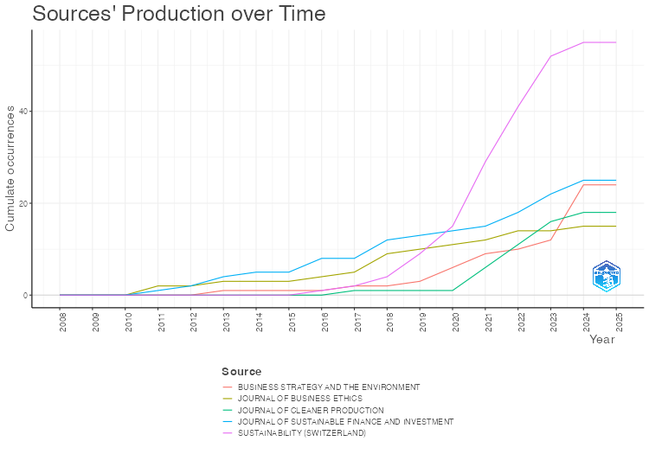
Year | SUSTAINABILITY (SWITZERLAND) | JOURNAL OF SUSTAINABLE FINANCE AND INVESTMENT | BUSINESS STRATEGY AND THE ENVIRONMENT | JOURNAL OF CLEANER PRODUCTION | JOURNAL OF BUSINESS ETHICS
2008 | 0 | 0 | 0 | 0 | 0
2009 | 0 | 0 | 0 | 0 | 0
2010 | 0 | 0 | 0 | 0 | 0
2011 | 0 | 1 | 0 | 0 | 2
2012 | 0 | 2 | 0 | 0 | 2
2013 | 0 | 4 | 1 | 0 | 3
2014 | 0 | 5 | 1 | 0 | 3
2015 | 0 | 5 | 1 | 0 | 3
2016 | 1 | 8 | 1 | 0 | 4
2017 | 2 | 8 | 2 | 1 | 5
2018 | 4 | 12 | 2 | 1 | 9
2019 | 9 | 13 | 3 | 1 | 10
2020 | 15 | 14 | 6 | 1 | 11
2021 | 29 | 15 | 9 | 6 | 12
2022 | 41 | 18 | 10 | 11 | 14
2023 | 52 | 22 | 12 | 16 | 14
2024 | 55 | 25 | 24 | 18 | 15
2025 | 55 | 25 | 24 | 18 | 15

MostRelAuthors
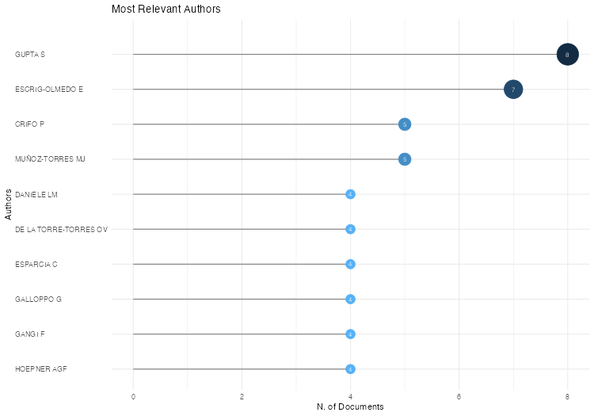
Authors | Articles | Articles Fractionalized
GUPTA S | 8 | 2.6666666667
ESCRIG-OLMEDO E | 7 | 2
CRIFO P | 5 | 1.9166666667
MUÑOZ-TORRES MJ | 5 | 1.3333333333
DANIELE LM | 4 | 0.98333333333
DE LA TORRE-TORRES OV | 4 | 2.5833333333
ESPARCIA C | 4 | 1.25
GALLOPPO G | 4 | 1.25
GANGI F | 4 | 0.98333333333
HOEPNER AGF | 4 | 1.4166666667
JONWALL R | 4 | 1.3333333333
LI Y | 4 | 1.0333333333
LIU Y | 4 | 1.1166666667
MEUNIER L | 4 | 1.75
MISHRA AK | 4 | 1.1166666667
PAHUJA S | 4 | 1.3333333333
PAIMANOVA V | 4 | 1.25
SOOD K | 4 | 1.1666666667
VARRONE N | 4 | 0.98333333333
ZHANG J | 4 | 1.3666666667
ZHANG Y | 4 | 2.1666666667
ALDA M | 3 | 3
BELOSKAR VD | 3 | 1.3333333333
CAMILLERI MA | 3 | 3
CHEN L | 3 | 0.73333333333
CHIU IH-Y | 3 | 3
D'ECCLESIA R | 3 | 1.1666666667
DIENER J | 3 | 1.5
DÍAZ A | 3 | 0.91666666667
EDMANS A | 3 | 2.5
FERNÁNDEZ-IZQUIERDO MÁ | 3 | 0.66666666667
FIORDELISI F | 3 | 0.91666666667
HABISCH A | 3 | 1.5
JAIN J | 3 | 0.83333333333
KUMAR A | 3 | 0.49166666667
KUMAR S | 3 | 0.65
LI W | 3 | 1.1666666667
MOTTIS N | 3 | 1.0833333333
NAEEM MA | 3 | 0.65
PALTRINIERI A | 3 | 0.7
PATHAK P | 3 | 0.83333333333
QOYUM A | 3 | 0.65
REES W | 3 | 1.3333333333
REVELLI C | 3 | 2
RIVERA-LIRIO JM | 3 | 0.66666666667
RODIONOVA T | 3 | 1.3333333333
UTZ S | 3 | 1.75
VIVIERS S | 3 | 1.5
WATTS EM | 3 | 1.1666666667
ZHANG C | 3 | 1.0333333333
ZHANG X | 3 | 1.0333333333
ACHSANI NA | 2 | 0.5
AHAD M | 2 | 0.53333333333
AHMED A | 2 | 2
AHMED S | 2 | 0.53333333333
AHN H-J | 2 | 1
AIBAR-GUZMÁN B | 2 | 0.5
AIBAR-GUZMÁN C | 2 | 0.5
ALONSO D | 2 | 0.58333333333
ANDREU L | 2 | 0.66666666667
APOSTOLAKIS G | 2 | 0.45
ARDESHIRI T | 2 | 0.29166666667
ARJALIÈS D-L | 2 | 0.75
ARRIBAS I | 2 | 0.5
ARSLAN M | 2 | 0.83333333333
BANSAL R | 2 | 0.53333333333
BASSEN A | 2 | 0.83333333333
BAUER R | 2 | 0.66666666667
BLOMME RJ | 2 | 0.45
BODHANWALA R | 2 | 1
BODHANWALA S | 2 | 1
BURLACU R | 2 | 0.66666666667
BUSCH T | 2 | 0.58333333333
CESARONE F | 2 | 0.41666666667
CORBET S | 2 | 0.75
CORTEZ MC | 2 | 0.66666666667
CORZO SANTAMARÍA T | 2 | 0.66666666667
COSCIA M | 2 | 0.45
D'AMATO V | 2 | 0.66666666667
DANIELSON M | 2 | 0.29166666667
DARSONO SNAC | 2 | 0.41666666667
DATY F | 2 | 0.66666666667
DE MINGO-LÓPEZ DV | 2 | 0.5
DORFLEITNER G | 2 | 0.66666666667
ECCLES NS | 2 | 1
ERRAGRAGUI E | 2 | 1
ESPINÓS-VAÑÓ MD | 2 | 0.5
FENG J | 2 | 0.58333333333
FERRAT Y | 2 | 0.66666666667
FERRERO-FERRERO I | 2 | 0.5
FOLQUÉ M | 2 | 0.66666666667
FORGET VD | 2 | 0.83333333333
GARCÍA F | 2 | 0.5
GARCÍA-SÁNCHEZ I-M | 2 | 0.5
GECZY CC | 2 | 0.58333333333
GIAKOUMELOU A | 2 | 0.45
HALBRITTER G | 2 | 0.66666666667
HALDAR A | 2 | 0.58333333333
HANINE Y | 2 | 0.58333333333
HARYMAWAN I | 2 | 0.45
HASSAN MK | 2 | 0.4
HEBB T | 2 | 0.66666666667
HEIMANN M | 2 | 1
HOCKERTS K | 2 | 0.75
HORN M | 2 | 2
IANDOLO F | 2 | 0.5
IMRAN ZA | 2 | 0.53333333333
JIN Y | 2 | 1.25
JITMANEEROJ B | 2 | 1.5
JO H | 2 | 0.66666666667
JOLIET R | 2 | 1
JUN H | 2 | 2
KABDERIAN DREYER J | 2 | 0.58333333333
KAROUI A | 2 | 0.75
KELLERS A | 2 | 0.58333333333
KHALID AA | 2 | 0.5
KHAN A | 2 | 0.45
KHAN MA | 2 | 0.4
KIM H-E | 2 | 0.83333333333
KIM H-K | 2 | 1
KIM J | 2 | 0.83333333333
KIM S | 2 | 1
KLEIN C | 2 | 0.83333333333
KRAANEN F | 2 | 0.45
KUMAR P | 2 | 1.2
LAHRICHI Y | 2 | 0.58333333333
LANDI G | 2 | 0.75
LARCKER DF | 2 | 0.83333333333
LEE J | 2 | 0.83333333333
LEVANTESI S | 2 | 0.66666666667
LI C | 2 | 0.53333333333
LIANG J | 2 | 0.66666666667
LIM WM | 2 | 0.45
LIU L | 2 | 0.75
LOZANO R | 2 | 1.5
M'ZALI B | 2 | 0.58333333333
MALTAIS A | 2 | 0.83333333333
MATALLÍN-SÁEZ JC | 2 | 0.5
MAURYA PK | 2 | 0.53333333333
MIRALLES-QUIRÓS JL | 2 | 0.83333333333
MIRALLES-QUIRÓS MM | 2 | 0.83333333333
MOL APJ | 2 | 0.66666666667
MUHMAD SN | 2 | 0.4
MURASHIMA M | 2 | 2
NAKAI M | 2 | 0.66666666667
NGUYEN M | 2 | 0.66666666667
NILSSON J | 2 | 0.75
OHADI S | 2 | 1
OIKONOMOU I | 2 | 0.75
OMURA A | 2 | 0.66666666667
ORTIZ C | 2 | 0.58333333333
PAETZOLD F | 2 | 0.58333333333
PUTRA FKG | 2 | 0.45
QIAN L | 2 | 0.5
RANA T | 2 | 0.29166666667
RAO SVDN | 2 | 0.83333333333
RAUT RK | 2 | 0.75
RENNEBOOG L | 2 | 0.66666666667
ROCA E | 2 | 0.66666666667
RODRÍGUEZ-ARIZA L | 2 | 0.5
RUBBANIY G | 2 | 0.5
SAKTI MRP | 2 | 0.45
SAMSTEN I | 2 | 0.29166666667
SARTO JL | 2 | 0.66666666667
SAVIO R | 2 | 0.5
SCHOLTENS B | 2 | 0.7
SCIARELLI M | 2 | 0.75
SHAHZAD K | 2 | 0.53333333333
SHARMA D | 2 | 0.4
SHARMA GD | 2 | 0.5
SHARMA V | 2 | 0.58333333333
SILVA F | 2 | 0.66666666667
SIM M | 2 | 0.83333333333
SINGHANIA M | 2 | 1
SOLER-DOMÍNGUEZ A | 2 | 0.5
STAMBAUGH RF | 2 | 0.66666666667
SUN C | 2 | 0.5
SUN Y | 2 | 1
SVANBERG J | 2 | 0.29166666667
TALAN G | 2 | 0.5
TAMPAKOUDIS I | 2 | 0.75
TANG X | 2 | 0.4
THAKER HMT | 2 | 0.45
TITOVA Y | 2 | 1
TIWARI AK | 2 | 0.5
TKIOUAT M | 2 | 0.58333333333
VAN DIJK G | 2 | 0.45
VARMA A | 2 | 0.83333333333
VELTE P | 2 | 1.3333333333
VICENTE L | 2 | 0.58333333333
VILAS P | 2 | 0.66666666667
WAGEMANS FAJ | 2 | 0.66666666667
WANG F | 2 | 0.53333333333
WANG Z | 2 | 0.58333333333
WU L | 2 | 0.58333333333
WU Y | 2 | 0.66666666667
WURGLER J | 2 | 0.75
YADAV S | 2 | 0.36666666667
YANG L | 2 | 1.3333333333
YANG Y | 2 | 0.66666666667
ZHANG L | 2 | 0.4
ZHANG Z | 2 | 0.45
ZHAO Y | 2 | 0.75
ZICARI A | 2 | 2
ZWERGEL B | 2 | 0.58333333333
ÁLVAREZ-GARCÍA J | 2 | 0.58333333333
ÖHMAN P | 2 | 0.29166666667
AARIKKA-STENROOS L | 1 | 0.5
AASSOULI D | 1 | 0.5
ABDELQADER M | 1 | 0.33333333333
ABDOU AH | 1 | 0.16666666667
ABDUL WAHEED K | 1 | 0.33333333333
ABEUOVA D | 1 | 0.33333333333
ABIDIN AFZ | 1 | 0.2
ABIDIN SZ | 1 | 0.5
ABOOJAFARI R | 1 | 0.25
ABU HASSAN MH | 1 | 0.33333333333
ABURTO BARRERA LI | 1 | 0.5
ACAR M | 1 | 0.5
AGAG G | 1 | 0.5
AGGARWAL D | 1 | 0.5
AGORAKI KK | 1 | 0.25
AGRAWAL R | 1 | 0.16666666667
AHMAD KHAN K | 1 | 0.2
AHMAD M | 1 | 0.2
AHMAD MF | 1 | 0.25
AHMAD N | 1 | 0.2
AHMADI SA | 1 | 0.5
AHMED SP | 1 | 0.25
AHMED SU | 1 | 0.25
AJOUR EL ZEIN S | 1 | 0.5
AKALA CS | 1 | 0.33333333333
AKBAR A | 1 | 0.16666666667
AKBAR M | 1 | 0.16666666667
AKHMETSHIN E | 1 | 0.16666666667
AKOMEA-FRIMPONG I | 1 | 0.25
AKRAM NASEEM M | 1 | 0.2
AKRAM SV | 1 | 0.125
AKSOY M | 1 | 0.33333333333
AL ANI MK | 1 | 0.5
AL HASHFI RU | 1 | 0.2
AL-BANNA H | 1 | 0.5
AL-BINALI T | 1 | 0.2
AL-HATTAMI HM | 1 | 0.25
AL-NAJJAR B | 1 | 0.5
ALALOUL WS | 1 | 0.2
ALAM A | 1 | 0.5
ALAM F | 1 | 0.2
ALAM MM | 1 | 0.25
ALAOUI YL | 1 | 0.25
ALAPPAT BJ | 1 | 0.33333333333
ALBAITY M | 1 | 0.25
ALBAKHIT AI | 1 | 0.16666666667
ALDOWAISH A | 1 | 0.25
ALEXANDRIDIS G | 1 | 0.25
ALGHAMDI OA | 1 | 0.5
ALHASHFI RU | 1 | 0.25
ALMAKHAYITAH MY | 1 | 0.16666666667
ALMAQTARI FA | 1 | 0.25
ALMAZYAD O | 1 | 0.25
ALONSO M-T | 1 | 0.25
ALQARALLEH H | 1 | 1
ALQATAN A | 1 | 0.33333333333
ALSALAH NA | 1 | 0.125
ALSAYEGH MF | 1 | 0.33333333333
ALSHUBIRI F | 1 | 0.5
AMARAL FVA | 1 | 0.5
AMARASEKARA DS | 1 | 0.14285714286
AMIDJAYA PG | 1 | 0.25
AMIN MR | 1 | 0.5
AMINUDIN A | 1 | 0.25
AMON J | 1 | 0.33333333333
AMORIM SOBREIRO V | 1 | 0.25
AMPONSAH M | 1 | 0.25
AN J | 1 | 0.5
ANAGNOSTOPOULOU E | 1 | 0.5
ANANTHARAMAN RN | 1 | 0.25
ANDATI T | 1 | 0.25
ANKER-SØRENSEN L | 1 | 0.5
ANWER Z | 1 | 0.25
AOUADI A | 1 | 0.5
ARCO-CASTRO ML | 1 | 0.25
ARFAOUI N | 1 | 0.2
ARIMURA TH | 1 | 0.33333333333
ARIPIN Z | 1 | 0.25
ARNOLD LG | 1 | 1
ARNOLD M | 1 | 0.33333333333
ARRUFAT MARTÍN S | 1 | 0.33333333333
ARSLAN HM | 1 | 0.25
ARSLAN-AYAYDIN O | 1 | 0.5
ARUGA K | 1 | 1
ASARE N | 1 | 0.33333333333
ASEMOTA GNO | 1 | 0.14285714286
ASHFAQ M | 1 | 0.33333333333
ASHTA A | 1 | 0.33333333333
ASIH KN | 1 | 0.25
ASSAEL J | 1 | 0.33333333333
ASSAF C | 1 | 0.25
ATAN R | 1 | 0.25
ATAYA S | 1 | 0.125
ATSTAJA D | 1 | 0.2
ATZ U | 1 | 0.25
AVETISYAN E | 1 | 0.5
AW ENW | 1 | 0.33333333333
AYBARS A | 1 | 0.5
AYSAN AF | 1 | 0.2
AYUB S | 1 | 0.2
AYYILDIZ E | 1 | 0.14285714286
AZAD S | 1 | 0.33333333333
AZHAGURAJA N | 1 | 0.33333333333
AZIZ MRA | 1 | 0.2
AZIZ S | 1 | 0.25
AZUMA K | 1 | 0.5
BAALS L | 1 | 0.2
BACK K-J | 1 | 0.25
BADI I | 1 | 0.14285714286
BADÍA G | 1 | 0.33333333333
BAIER P | 1 | 0.33333333333
BAIG W | 1 | 0.2
BAK I | 1 | 0.25
BAKER M | 1 | 0.25
BAKSHI PK | 1 | 0.2
BALAJI MS | 1 | 0.33333333333
BALDI F | 1 | 0.5
BALDINA E | 1 | 0.16666666667
BALI SWAIN R | 1 | 0.5
BANDARA YM | 1 | 0.2
BANSAL P | 1 | 0.5
BARAYBAR FERNÁNDEZ A | 1 | 0.33333333333
BARBERÀ-MARINÉ M-G | 1 | 0.25
BARKA Z | 1 | 0.33333333333
BARKO T | 1 | 0.33333333333
BARRO D | 1 | 1
BARTKOWIAK M | 1 | 0.5
BARUT A | 1 | 0.2
BASAH MYA | 1 | 0.2
BASHAR A | 1 | 0.2
BASIT A | 1 | 0.2
BATEMAN M | 1 | 0.33333333333
BAUER F | 1 | 0.33333333333
BAX K | 1 | 0.25
BEATTIE G | 1 | 0.5
BECKMAN JK | 1 | 0.25
BEGEMANN A | 1 | 0.33333333333
BEHAM F | 1 | 0.33333333333
BEISENBINA M | 1 | 0.25
BELAS J | 1 | 0.2
BEN JABEUR S | 1 | 0.25
BENHMAD F | 1 | 0.33333333333
BERGSTRESSER D | 1 | 0.25
BERNAL O | 1 | 0.33333333333
BERNARD J | 1 | 0.25
BERNINGER M | 1 | 0.33333333333
BERTELLI B | 1 | 0.5
BERTINETTI GS | 1 | 0.25
BHANDARI V | 1 | 0.5
BHASKARAN RK | 1 | 0.33333333333
BHATIA S | 1 | 0.5
BHATTACHARYYA J | 1 | 0.33333333333
BHUVANESKUMAR A | 1 | 0.33333333333
BIAŁKOWSKI J | 1 | 0.5
BIENERT S | 1 | 0.33333333333
BIFULCO GM | 1 | 0.25
BILBAO-TEROL A | 1 | 0.25
BILBAO-TEROL C | 1 | 0.25
BILLIO M | 1 | 0.33333333333
BINESH F | 1 | 0.33333333333
BIONDI L | 1 | 0.33333333333
BIRAU R | 1 | 0.2
BISHARA T | 1 | 0.2
BISHT TS | 1 | 0.33333333333
BITAAB M | 1 | 0.25
BLAZEK R | 1 | 0.25
BLAZEKOVA K | 1 | 0.25
BLITZ D | 1 | 0.5
BOERMANS MA | 1 | 0.5
BOFINGER Y | 1 | 0.33333333333
BOIRAL O | 1 | 0.25
BOLEK M | 1 | 0.25
BOLLAIN-PARRA L | 1 | 0.25
BOLOGNESI E | 1 | 0.25
BONI L | 1 | 0.33333333333
BONYADI NAEINI A | 1 | 0.25
BOSCH-BADIA M-T | 1 | 0.33333333333
BOSCOIANU M | 1 | 0.5
BOUCHET V | 1 | 1
BOUJELBEN C | 1 | 1
BOUMDA B | 1 | 0.25
BOURAIMA MB | 1 | 0.14285714286
BOURI E | 1 | 0.25
BOUSLAH K | 1 | 0.33333333333
BOUTESKA A | 1 | 0.33333333333
BOYER M | 1 | 1
BRACCI E | 1 | 0.33333333333
BRANDON RG | 1 | 0.2
BRESCIANI S | 1 | 0.25
BRIZGA J | 1 | 0.2
BRODMANN J | 1 | 0.33333333333
BROOKS C | 1 | 0.5
BROTHERTON M-C | 1 | 0.25
BRUNO CC | 1 | 0.25
BUDRIENĖ D | 1 | 0.125
BUDSARATRAGOON P | 1 | 0.5
BUELTEL BL | 1 | 0.25
BUI TN | 1 | 0.33333333333
BUITER B | 1 | 0.5
BURCHI A | 1 | 0.5
BURDUHOS-NERGIS DD | 1 | 0.2
BURKE G | 1 | 1
CAFERRA R | 1 | 0.25
CAIAZZA S | 1 | 0.33333333333
CAJIAS M | 1 | 0.33333333333
CANDELON B | 1 | 0.33333333333
CAO L | 1 | 0.2
CARAGNANO A | 1 | 0.33333333333
CARLIER L | 1 | 0.33333333333
CARLSSON HAUFF J | 1 | 0.5
CAROLINA REZENDE DE CARVALHO FERREIRA M | 1 | 0.25
CASTAÑO AM | 1 | 0.33333333333
CASTILLO-APRAIZ J | 1 | 0.33333333333
CATÓLICO-SEGURA DF | 1 | 0.33333333333
CAUTHORN T | 1 | 0.25
CAÑAL-FERNÁNDEZ V | 1 | 0.25
CEBULA RJ | 1 | 0.2
CHADHA G | 1 | 0.5
CHAKLADER B | 1 | 0.33333333333
CHAKLADER G | 1 | 0.33333333333
CHALLET D | 1 | 0.33333333333
CHANDRA M | 1 | 0.5
CHANDRAJITH R | 1 | 0.14285714286
CHANG X | 1 | 0.25
CHANG Y-F | 1 | 0.33333333333
CHARLES V | 1 | 0.2
CHEBA K | 1 | 0.25
CHEFFI W | 1 | 0.25
CHEN D | 1 | 0.5
CHEN G | 1 | 0.25
CHEN J | 1 | 0.125
CHEN J-H | 1 | 0.25
CHEN S | 1 | 0.25
CHEN T | 1 | 0.33333333333
CHEN X | 1 | 0.5
CHEN Y | 1 | 0.25
CHEN Z | 1 | 0.5
CHENG Z | 1 | 0.25
CHENGANG Y | 1 | 0.25
CHENGSHU W | 1 | 0.5
CHEONG C | 1 | 0.5
CHIDAMBARAM V | 1 | 0.33333333333
CHIWARIDZO OT | 1 | 0.2
CHO Y | 1 | 1
CHOI C | 1 | 0.5
CHOI J | 1 | 0.5
CHOLLET P | 1 | 0.25
CHOU S-F | 1 | 0.16666666667
CHRISTENSEN HB | 1 | 0.33333333333
CHRISTIANSEN C | 1 | 0.25
CHUMACHENKO EA | 1 | 0.25
CHUNG CY | 1 | 0.5
COHEN DH | 1 | 0.33333333333
COLANTONI F | 1 | 0.25
COLLAZZO P | 1 | 0.5
CORREIA-DOMINGUES RH | 1 | 0.25
COSIMATO S | 1 | 0.25
COSMA S | 1 | 0.25
COSTA BA | 1 | 0.25
CREMERS M | 1 | 0.33333333333
CRESPO-CEBADA E | 1 | 0.25
CRONA B | 1 | 0.2
CUCINELLI D | 1 | 0.5
CUCURACHI P | 1 | 0.25
CUESTA-VALIÑO P | 1 | 0.25
CUI X | 1 | 0.2
CULLINAN C | 1 | 0.2
CUNHA FAFDS | 1 | 0.33333333333
CUPRIAK D | 1 | 0.33333333333
CZADO C | 1 | 0.25
D'APICE V | 1 | 0.33333333333
DA GAMA PINHEIRO R | 1 | 0.33333333333
DAI S | 1 | 0.33333333333
DAI Y | 1 | 1
DANGAYACH GS | 1 | 0.2
DANGI M | 1 | 0.5
DANGWAL RC | 1 | 0.33333333333
DANIELS L | 1 | 0.33333333333
DANILA N | 1 | 1
DARMI T | 1 | 0.25
DASTAN A | 1 | 0.33333333333
DAURIACH A | 1 | 0.2
DAWKINS CE | 1 | 1
DE FIGUEIRÊDO JUNIOR HS | 1 | 0.33333333333
DE LA TORRE TORRES OV | 1 | 0.33333333333
DEIRMENTZOGLOU GA | 1 | 0.25
DEL CAMPO JI | 1 | 0.33333333333
DELLE FOGLIE A | 1 | 0.5
DELSEN L | 1 | 0.5
DEMARIA S | 1 | 0.33333333333
DEO M | 1 | 0.33333333333
DERVI UD | 1 | 0.2
DESBAN M | 1 | 0.33333333333
DIAS VFMB | 1 | 0.5
DIAZ A | 1 | 0.33333333333
DIAZ JF | 1 | 0.25
DIEZ-CAÑAMERO B | 1 | 0.2
DING X | 1 | 0.16666666667
DINÇER H | 1 | 0.2
DIOUF D | 1 | 0.33333333333
DISSANAYAKE CB | 1 | 0.14285714286
DJAFRI F | 1 | 0.5
DO HX | 1 | 0.25
DOLRIIS C | 1 | 0.33333333333
DONG H | 1 | 0.33333333333
DORDI T | 1 | 0.25
DOU H | 1 | 0.33333333333
DOUMPOS M | 1 | 0.2
DOŚ A | 1 | 0.5
DRASAROVÁ M | 1 | 0.25
DREASSI A | 1 | 0.25
DREMPETIC S | 1 | 0.33333333333
DREYER JK | 1 | 0.33333333333
DROGALAS G | 1 | 0.25
DSOUZA S | 1 | 0.25
DUARTE N | 1 | 0.2
DUCHÊNE S | 1 | 0.25
DUMITRESCU A | 1 | 0.33333333333
DUNBAR K | 1 | 0.25
DURAIRAJ D | 1 | 0.5
DURANA P | 1 | 0.25
DURÁN-SANTOMIL P | 1 | 0.25
DUSHIMIMANA JDD | 1 | 0.14285714286
DUTTA A | 1 | 0.25
DUTTA P | 1 | 0.25
DUTTILO P | 1 | 0.33333333333
DUXBURY D | 1 | 0.25
DVORSKY J | 1 | 0.2
DÍAZ-CARO C | 1 | 0.25
DÖTTLING R | 1 | 0.5
EDENBRANDT AK | 1 | 0.25
EFIMOVA O | 1 | 0.16666666667
EFTHYMIOU L | 1 | 0.33333333333
EL GHOUL S | 1 | 0.25
ELBANNAN MA | 1 | 1
ELLAH ADALETEY J | 1 | 0.25
ELSHEIKH T | 1 | 0.25
EMPLEO P | 1 | 0.33333333333
ERKMEN E | 1 | 0.33333333333
ERRAGRAGUY E | 1 | 0.5
ESCOBAR-ANEL M | 1 | 0.5
ESCRIBANO A | 1 | 0.33333333333
ESKANTAR M | 1 | 0.2
ESSNER E | 1 | 0.5
ESTAPÉ-DUBREUIL G | 1 | 0.33333333333
FABREGAT-AIBAR L | 1 | 0.25
FAKOYA MB | 1 | 0.5
FALCONE PM | 1 | 0.25
FALDÍK O | 1 | 0.16666666667
FAN JH | 1 | 0.33333333333
FARBER V | 1 | 0.25
FATEMI A | 1 | 0.25
FATHIA F | 1 | 0.33333333333
FELDMAN I | 1 | 0.33333333333
FENG A | 1 | 0.5
FERNÁNDEZ JM | 1 | 0.2
FERNÁNDEZ-IZQUIERDO MA | 1 | 0.33333333333
FERNÁNDEZ-MATEO J | 1 | 0.5
FERREIRA A | 1 | 0.33333333333
FERRI G | 1 | 0.33333333333
FERRI S | 1 | 0.25
FERRIANI F | 1 | 1
FIANTO BA | 1 | 0.25
FIANU ES | 1 | 0.33333333333
FILBECK G | 1 | 0.33333333333
FILIPIAK BZ | 1 | 0.25
FINI R | 1 | 0.33333333333
FIRDAUS KHAN MR | 1 | 1
FIROIU D | 1 | 0.25
FLOUROS F | 1 | 0.25
FOCKE M | 1 | 0.33333333333
FOLEY M | 1 | 0.2
FOLTYN-ZARYCHTA M | 1 | 0.5
FOMINS A | 1 | 0.2
FOOLADI I | 1 | 0.25
FORMÁNKOVÁ S | 1 | 0.16666666667
FRANCO-BARRERA AJ | 1 | 0.5
FRANK R | 1 | 0.33333333333
FRENSIDY B | 1 | 0.25
FRIEDE G | 1 | 1
FRISKE W | 1 | 0.33333333333
FRÖMMEL M | 1 | 0.5
FU K | 1 | 0.25
FUCHS F | 1 | 0.33333333333
GALARIOTIS E | 1 | 0.2
GALAZ V | 1 | 0.2
GALEANA-FIGUEROA E | 1 | 0.25
GALEMA R | 1 | 0.5
GAN C | 1 | 0.5
GANGL K | 1 | 0.14285714286
GANIE IR | 1 | 0.25
GAO L | 1 | 0.2
GARCÍA-AMATE A | 1 | 0.25
GARCÍA-HENCHE B | 1 | 0.25
GARG A | 1 | 0.25
GARTNER IR | 1 | 0.5
GASKIN J | 1 | 0.16666666667
GATES S | 1 | 1
GATTONE SA | 1 | 0.33333333333
GAUDEUL A | 1 | 0.14285714286
GEHLOT A | 1 | 0.125
GEIGER P | 1 | 0.33333333333
GENTILE V | 1 | 0.25
GEOBEY S | 1 | 0.25
GEVORKOVA V | 1 | 0.33333333333
GHAEMI ASL M | 1 | 0.25
GHIMIRE B | 1 | 0.5
GHOSH R | 1 | 1
GHOUL SE | 1 | 0.5
GIACOMINI E | 1 | 0.33333333333
GIAMPORCARO S | 1 | 0.5
GIFFORD J | 1 | 1
GILLIGAN M | 1 | 1
GIORDINO D | 1 | 0.25
GLEASON K | 1 | 0.33333333333
GLOSSNER S | 1 | 0.2
GLYZINA MP | 1 | 0.25
GOCI E | 1 | 0.2
GOEL P | 1 | 0.25
GOENECHEA BE | 1 | 0.25
GOI HC | 1 | 0.25
GOMES DE ALENCAR F | 1 | 0.33333333333
GOMTSIAN S | 1 | 1
GONCALVES M | 1 | 0.5
GONZÁLEZ-RUIZ JD | 1 | 0.33333333333
GONZÁLIEZ OÑATE C | 1 | 0.33333333333
GOODELL JW | 1 | 0.25
GORDANO S | 1 | 0.33333333333
GORE A | 1 | 0.14285714286
GOSTKOWSKA-DRZEWICKA M | 1 | 0.5
GOSWAMI A | 1 | 0.5
GOUGLER A | 1 | 0.5
GOW ID | 1 | 0.33333333333
GREGORY RP | 1 | 1
GRZYWIŃSKA-RĄPCA M | 1 | 0.2
GRÜNDL H | 1 | 0.33333333333
GU J | 1 | 0.125
GUENSTER N | 1 | 1
GUERARD JB | 1 | 0.25
GUESMI K | 1 | 0.2
GUILLAUMIE L | 1 | 0.25
GULEGODA CR | 1 | 0.14285714286
GUNARATHNE N | 1 | 0.16666666667
GUO Y | 1 | 0.33333333333
GUPTA P | 1 | 0.2
GUTIÉRREZ-RODRÍGUEZ P | 1 | 0.25
GUTSCHE G | 1 | 0.33333333333
GYÖNYÖROVÁ L | 1 | 0.33333333333
GYŐRI Z | 1 | 0.33333333333
GÄRLING T | 1 | 0.33333333333
GÓMEZ-BEZARES F | 1 | 0.25
GÓMEZ-MARTÍNEZ R | 1 | 0.33333333333
GÖSSLING T | 1 | 0.5
HA NGUYEN TT | 1 | 0.2
HACHIGIAN H | 1 | 0.33333333333
HADJI MISHEVA B | 1 | 0.2
HAECKL S | 1 | 0.14285714286
HAFENSTEIN A | 1 | 0.5
HAIL L | 1 | 0.33333333333
HALDAR B | 1 | 0.125
HAMAGUCHI Y | 1 | 1
HAMEED I | 1 | 0.2
HAMZA T | 1 | 0.33333333333
HAN J | 1 | 0.25
HAN SH | 1 | 0.33333333333
HANAN A | 1 | 0.16666666667
HANGL C | 1 | 0.5
HAO D | 1 | 0.2
HAQ ZU | 1 | 0.25
HARASHEH M | 1 | 0.33333333333
HARJOTO M | 1 | 0.33333333333
HARJOTO MA | 1 | 0.33333333333
HARRIET L | 1 | 0.25
HARTZMARK SM | 1 | 0.5
HASAN I | 1 | 0.33333333333
HASSAN TH | 1 | 0.16666666667
HASSE J-B | 1 | 0.33333333333
HASSEL LG | 1 | 0.5
HAWALDAR IT | 1 | 0.2
HE X | 1 | 0.5
HE Y | 1 | 0.25
HEHENBERGER L | 1 | 0.25
HELLIAR C | 1 | 0.33333333333
HENS T | 1 | 0.5
HERCIU M | 1 | 0.5
HES T | 1 | 0.25
HEUBECK T | 1 | 1
HEYDEN KJ | 1 | 0.33333333333
HIDAYAT-UR-REHMAN I | 1 | 0.5
HIGASHIDA A | 1 | 0.5
HILAL OA | 1 | 0.5
HLAWICZKA R | 1 | 0.2
HO M | 1 | 1
HOELSCHER SA | 1 | 0.33333333333
HOLLAND J | 1 | 1
HOMAYOUN S | 1 | 0.33333333333
HOOVER J | 1 | 0.25
HORNG J-S | 1 | 0.16666666667
HORNUF L | 1 | 0.5
HORVÁTH M | 1 | 0.5
HOSEN M | 1 | 0.2
HOSSAIN MN | 1 | 0.5
HOU W | 1 | 0.5
HU L | 1 | 0.2
HU Y | 1 | 0.25
HUA FAN J | 1 | 0.5
HUANG C-H | 1 | 0.33333333333
HUANG J | 1 | 0.2
HUANG PB | 1 | 0.25
HUANG X | 1 | 0.33333333333
HUANG Y | 1 | 0.25
HUANG Z | 1 | 0.25
HUDON M | 1 | 0.33333333333
HURUTA AD | 1 | 0.25
HUSAIN S | 1 | 0.33333333333
HUSSAIN A | 1 | 0.16666666667
HUSSAIN T | 1 | 0.5
HUSSE T | 1 | 0.5
HYUN S | 1 | 0.33333333333
HÉDOU J-P | 1 | 0.33333333333
HÖCK A | 1 | 0.25
IANNONE B | 1 | 0.33333333333
IDDRISU A-A | 1 | 0.25
IELASI F | 1 | 0.5
IHIRWE JP | 1 | 0.14285714286
ILGAZ S | 1 | 0.5
INDERAWATI MMW | 1 | 0.25
INDRASARI A | 1 | 0.25
INTONTI M | 1 | 0.33333333333
INUN JARIYA AM | 1 | 0.5
IONESCU GH | 1 | 0.25
IRSHAD AUR | 1 | 0.25
ISBERG S | 1 | 0.25
ISLAM AU | 1 | 1
ISLAM H | 1 | 0.2
ISMAIL A | 1 | 0.2
ISMAIL AK | 1 | 0.2
ISMAIL H | 1 | 0.25
ISMAIL SSM | 1 | 0.5
ISWIYANTO I | 1 | 0.33333333333
IVANISEVIC HERNAUS A | 1 | 1
IZZO MF | 1 | 0.25
IŞIK C | 1 | 0.2
JABBOUR CJC | 1 | 0.16666666667
JABEEN F | 1 | 0.25
JABEEN G | 1 | 0.2
JACOBSEN B | 1 | 1
JAIN A | 1 | 0.33333333333
JAIN M | 1 | 0.25
JAKOB K | 1 | 0.25
JAMALI D | 1 | 0.2
JANIK B | 1 | 0.5
JANNAH SM | 1 | 0.5
JANSSON J | 1 | 0.25
JANSSON M | 1 | 0.33333333333
JANSSON T | 1 | 0.25
JASUJA D | 1 | 0.33333333333
JAYALATH MM | 1 | 0.25
JEANNE A | 1 | 0.33333333333
JENG S-Y | 1 | 0.16666666667
JI F | 1 | 0.2
JIA F | 1 | 0.2
JIA X | 1 | 0.25
JIANG Y | 1 | 0.33333333333
JIAO Y | 1 | 0.5
JIN I | 1 | 1
JIN N | 1 | 0.14285714286
JIN XM | 1 | 0.25
JING K | 1 | 0.5
JOARDAR H | 1 | 0.125
JOHARI JB | 1 | 0.33333333333
JOHN M | 1 | 0.2
JOLY C | 1 | 1
JOSHI HT | 1 | 0.5
JOUSSEAUME N | 1 | 0.2
JR | 1 | 0.25
JULIAO-ROSSI J | 1 | 0.33333333333
JÄRVINEN J | 1 | 0.33333333333
JØRGENSEN PL | 1 | 0.5
K K | 1 | 0.25
KACPERCZYK M | 1 | 0.5
KALIDAS N | 1 | 0.2
KALLESTRUP-LAMB M | 1 | 0.25
KAMIL AA | 1 | 0.5
KANAPICKIENĖ R | 1 | 0.125
KANG J | 1 | 0.33333333333
KANG YS | 1 | 0.33333333333
KANSIL R | 1 | 1
KANURI S | 1 | 1
KAR D | 1 | 0.5
KAR SK | 1 | 0.2
KARANASOS M | 1 | 0.25
KARIM S | 1 | 0.2
KARMAKER U | 1 | 0.25
KARTASOVA J | 1 | 0.125
KASHIF M | 1 | 0.2
KASHIF U | 1 | 0.33333333333
KASHIRAMKA S | 1 | 0.33333333333
KASSEEAH H | 1 | 0.5
KASTBERG G | 1 | 0.33333333333
KASZÁS D | 1 | 0.5
KATELOUZOU D | 1 | 1
KAUR M | 1 | 0.33333333333
KAYANI UN | 1 | 0.25
KELIUOTYTĖ-STANIULĖNIENĖ G | 1 | 0.125
KESHMINDER JS | 1 | 0.5
KHALFAOUI R | 1 | 0.25
KHALID ANSER M | 1 | 0.2
KHALIL S | 1 | 0.2
KHAMISU MS | 1 | 0.33333333333
KHAN AM | 1 | 0.2
KHAN KA | 1 | 0.2
KHAN Y | 1 | 0.33333333333
KHANDELWAL C | 1 | 0.2
KHATSENKO A | 1 | 0.16666666667
KIESEL F | 1 | 0.33333333333
KIM E | 1 | 0.5
KIM H | 1 | 0.33333333333
KIM I | 1 | 0.25
KIM JB | 1 | 0.5
KIM R | 1 | 0.5
KIM Y | 1 | 0.33333333333
KIMURA H | 1 | 0.25
KING DR | 1 | 0.33333333333
KIOSSES N | 1 | 0.25
KIPTUM CK | 1 | 0.14285714286
KIRCHLER E | 1 | 0.14285714286
KLETTNER A | 1 | 1
KLINKOWSKA O | 1 | 0.5
KOENIGSTEIN N | 1 | 0.2
KOKURYO J | 1 | 0.25
KOLOMAZNÍK J | 1 | 0.16666666667
KOLOMAZNÍKOVÁ D | 1 | 0.16666666667
KOMAL B | 1 | 0.25
KOO B | 1 | 0.5
KOO KK | 1 | 0.5
KOPPEN CSAK | 1 | 0.33333333333
KORDSACHIA O | 1 | 0.33333333333
KOUTSOKOSTAS D | 1 | 0.5
KOZMENKO S | 1 | 0.33333333333
KRAUSE TA | 1 | 0.33333333333
KRISTANTI FT | 1 | 0.25
KROSINSKY C | 1 | 1
KRUEGER P | 1 | 0.2
KRYZANOWSKI L | 1 | 0.33333333333
KULLI A | 1 | 0.2
KULSHRESTHA A | 1 | 0.33333333333
KULSHRESTHA S | 1 | 0.33333333333
KUMAR D | 1 | 0.33333333333
KUMAR R | 1 | 0.5
KUSUMA H | 1 | 0.2
KUZEY C | 1 | 0.33333333333
KUZIAK K | 1 | 0.33333333333
KWAN CL | 1 | 0.5
L'ABATE V | 1 | 0.2
LAGERKVIST CJ | 1 | 0.25
LAJAUNIE Q | 1 | 0.33333333333
LAJILI JARJIR S | 1 | 0.33333333333
LALDIN MA | 1 | 0.5
LAM JFI | 1 | 0.33333333333
LAMBERTIDES N | 1 | 0.5
LAMPARIELLO L | 1 | 0.16666666667
LAN Y-C | 1 | 0.2
LANDI GC | 1 | 0.25
LANG C | 1 | 0.25
LANZA A | 1 | 0.11111111111
LAPERLA SJ | 1 | 0.33333333333
LAPUZ MCB | 1 | 0.16666666667
LARREINA M | 1 | 0.25
LATIF B | 1 | 0.16666666667
LATTANZIO G | 1 | 0.25
LAW SA | 1 | 0.5
LAZCANO A | 1 | 0.33333333333
LE ATH | 1 | 0.33333333333
LEAN HH | 1 | 0.33333333333
LECHMAN E | 1 | 0.5
LEDRU F-X | 1 | 0.33333333333
LEE C-C | 1 | 0.33333333333
LEE EJ | 1 | 0.5
LEE M | 1 | 0.25
LEE M-T | 1 | 0.16666666667
LEE M-Y | 1 | 0.25
LEE YK | 1 | 0.5
LEHR A | 1 | 0.5
LEI H | 1 | 0.25
LESTARI JS | 1 | 0.5
LEUZ C | 1 | 0.33333333333
LEVIN D | 1 | 0.33333333333
LEÓN-SORIANO R | 1 | 0.16666666667
LI B | 1 | 0.25
LI H | 1 | 0.5
LI J | 1 | 0.2
LI M | 1 | 0.25
LI Q | 1 | 0.33333333333
LI X | 1 | 1
LI Z | 1 | 0.14285714286
LIEM PF | 1 | 0.25
LIM B | 1 | 0.5
LIM T | 1 | 1
LIN C | 1 | 0.33333333333
LIN CR | 1 | 0.16666666667
LIN X | 1 | 0.5
LINGNAU V | 1 | 0.33333333333
LIU A | 1 | 0.33333333333
LIU C-H | 1 | 0.16666666667
LIU H | 1 | 0.25
LIU J | 1 | 0.33333333333
LIU K | 1 | 0.25
LIU M | 1 | 0.2
LIU MJ | 1 | 0.25
LIU W | 1 | 0.5
LIU ZF | 1 | 0.25
LIU ZZ | 1 | 0.25
LIUČVAITIENĖ A | 1 | 0.16666666667
LIYANAGE SIH | 1 | 0.33333333333
LO KY | 1 | 0.5
LOBRE-LEBRATY K | 1 | 0.5
LOPEZ-DE-SILANES F | 1 | 0.33333333333
LORENZO CIM | 1 | 0.33333333333
LOSADA-OTALORA M | 1 | 0.33333333333
LOUCHE C | 1 | 0.33333333333
LOVISCEK A | 1 | 0.5
LU H-F | 1 | 1
LU Y | 1 | 0.5
LUCARELLI C | 1 | 0.5
LUIZ DE MORAES BARBOZA F | 1 | 0.25
LUTHRA S | 1 | 0.16666666667
LY KC | 1 | 0.25
LÓPEZ R | 1 | 0.33333333333
LÓPEZ-PÉREZ MV | 1 | 0.25
MA L | 1 | 0.33333333333
MA Z | 1 | 0.25
MAAMA H | 1 | 1
MACKENZIE C | 1 | 0.33333333333
MACKIE E | 1 | 0.25
MACÍAS-GUILLÉN A | 1 | 0.25
MAGGIO F | 1 | 0.33333333333
MAGHYEREH A | 1 | 0.25
MAHAJAN R | 1 | 0.25
MAHMOODI AH | 1 | 0.2
MAI Y | 1 | 0.25
MAISANO F | 1 | 0.125
MAJOCH AAA | 1 | 0.33333333333
MALAKAITĖ D | 1 | 0.16666666667
MALAQUIAS RF | 1 | 0.5
MALATJI SE | 1 | 0.5
MALIK P | 1 | 0.5
MALLADI RK | 1 | 0.33333333333
MANDIGMA MBS | 1 | 0.33333333333
MANGLA SK | 1 | 0.2
MANITA R | 1 | 0.33333333333
MANS-KEMP N | 1 | 0.5
MANUJ H | 1 | 0.25
MANURUNG AH | 1 | 0.25
MANZOOR W | 1 | 0.25
MARAGHINI MP | 1 | 0.2
MARGINEAN I | 1 | 0.33333333333
MARIAM A | 1 | 0.25
MARIANI M | 1 | 0.33333333333
MARINELLI N | 1 | 0.33333333333
MARSAT S | 1 | 0.5
MARSZK A | 1 | 0.5
MARTINEZ MEYERS S | 1 | 0.33333333333
MARTINI A | 1 | 1
MARTINO ML | 1 | 0.25
MARTIŠIENĖ R | 1 | 0.16666666667
MARTYNIUK O | 1 | 0.5
MARTÍNEZ-VICTORIA MC | 1 | 0.25
MARWAHA D | 1 | 0.5
MARWAN S | 1 | 0.33333333333
MARZUKI A | 1 | 0.2
MARÍN-RODRÍGUEZ NJ | 1 | 0.33333333333
MASHAYEKH J | 1 | 0.25
MATOS P | 1 | 0.2
MAUBANE P | 1 | 0.33333333333
MAVLUTOVA I | 1 | 0.2
MCBRIDE R | 1 | 0.33333333333
MCCAHERY J | 1 | 0.33333333333
MCCAHERY JA | 1 | 0.33333333333
MCGUIRE L | 1 | 0.5
MCKNIGHT MA | 1 | 0.25
MEDDA FR | 1 | 0.5
MEEHAN D | 1 | 0.5
MEENA ML | 1 | 0.2
MEHER BK | 1 | 0.2
MEHLAWAT MK | 1 | 0.2
MEHMOOD U | 1 | 0.25
MEHRABINIA P | 1 | 0.33333333333
MEHTA P | 1 | 0.25
MEIRA E | 1 | 0.33333333333
MELES A | 1 | 0.2
MENG L | 1 | 0.2
MERLI M | 1 | 0.33333333333
MEROLLA D | 1 | 0.16666666667
MICHALSKI L | 1 | 0.5
MICHAYLUK D | 1 | 0.25
MICHELI AP | 1 | 0.25
MICHIELS Y | 1 | 0.25
MICHULEK J | 1 | 0.25
MIGLIAVACCA M | 1 | 0.25
MIGLIORELLI M | 1 | 1
MIKHAYLOV AYU | 1 | 0.5
MIKOŁAJEK-GOCEJNA M | 1 | 1
MINGUEZ R | 1 | 0.2
MINOCHA G | 1 | 1
MIRZA N | 1 | 0.2
MIRÓN SANGUINO Á-S | 1 | 0.25
MISHRA N | 1 | 0.25
MITTAL M | 1 | 0.25
MIZAN R | 1 | 0.25
MOHAMED NAIM A | 1 | 0.33333333333
MOHAMED RIYATH MI | 1 | 0.5
MOHAPATRA L | 1 | 0.2
MOLTHAN-HILL P | 1 | 0.5
MONACO A | 1 | 1
MONCIARDINI D | 1 | 1
MONDAL AK | 1 | 0.125
MONGE M | 1 | 0.33333333333
MONK A | 1 | 0.5
MONNE J | 1 | 0.25
MONTERO EC | 1 | 0.125
MONTGOMERY HA | 1 | 0.5
MONTLLOR-SERRATS J | 1 | 0.33333333333
MOREIRA M | 1 | 0.25
MORELLI G | 1 | 0.5
MORONE A | 1 | 0.25
MORONE P | 1 | 0.25
MOTSUMI A | 1 | 0.33333333333
MRAD S | 1 | 0.33333333333
MUHAMMED SHAFI MK | 1 | 0.5
MUJTAHID IM | 1 | 0.25
MULVEY C | 1 | 0.5
MULYANINGSIH T | 1 | 0.25
MULYONO | 1 | 1
MURAVEVA NN | 1 | 0.25
MURGIA M | 1 | 0.33333333333
MURUGESU K | 1 | 0.2
MUSARAT MA | 1 | 0.2
MUSCHERT GW | 1 | 0.25
MUSSELL H | 1 | 1
MUÑOZ F | 1 | 0.33333333333
MWIZERE J-R | 1 | 0.2
MǍNESCU C | 1 | 1
NAGESWARA RAO SVD | 1 | 0.5
NAPOLITANO G | 1 | 1
NASEER MM | 1 | 0.33333333333
NASIH M | 1 | 0.2
NASREDDINE A | 1 | 0.33333333333
NASSEREDINE H | 1 | 0.25
NATCHIMUTHU N | 1 | 0.5
NAUTIYAL A | 1 | 0.11111111111
NAUTIYAL N | 1 | 0.33333333333
NAVARRO-MONTOLIU S | 1 | 0.25
NAWAZ F | 1 | 0.33333333333
NAZIR M | 1 | 0.16666666667
NAZLIBEN KK | 1 | 0.33333333333
NEGASH YT | 1 | 0.16666666667
NEIDERMEYER PE | 1 | 0.125
NELSON HW | 1 | 0.33333333333
NERADOVÁ A | 1 | 0.25
NERLINGER M | 1 | 1
NETSWERA FG | 1 | 0.33333333333
NEUHAUS T | 1 | 0.33333333333
NGUYEN CV | 1 | 0.33333333333
NGUYEN DK | 1 | 0.25
NGUYEN DT | 1 | 0.25
NGUYEN L | 1 | 0.25
NGUYEN NH | 1 | 0.25
NGUYEN Q-T | 1 | 0.25
NGUYEN QMP | 1 | 0.25
NGUYEN TTC | 1 | 0.33333333333
NGUYEN TTH | 1 | 0.25
NGUYEN XH | 1 | 0.33333333333
NIBLOCK SJ | 1 | 0.25
NIKOLAKIS W | 1 | 0.33333333333
NIKOLOV AN | 1 | 0.33333333333
NILSSON MA | 1 | 0.33333333333
NIRINO N | 1 | 0.25
NISZCZOTA P | 1 | 0.5
NOFSINGER J | 1 | 0.5
NOFSINGER JR | 1 | 0.33333333333
NOGUEIRA JM | 1 | 0.33333333333
NOR FM | 1 | 0.2
NORDVALL A-C | 1 | 0.25
NOREN V | 1 | 0.25
NOULAS A | 1 | 0.25
NOVIANTI T | 1 | 0.25
NOWODZIŃSKI P | 1 | 0.33333333333
NUHU Y | 1 | 0.5
NYKVIST B | 1 | 0.5
NÚNEZ-BARRIOPEDRO E | 1 | 0.25
NÚÑEZ-TORRADO M | 1 | 0.25
O'DONNELL L | 1 | 0.5
O'LEARY-GOVENDER I | 1 | 0.33333333333
OGREAN C | 1 | 0.5
OLEKSANDRA R | 1 | 0.33333333333
OLIVER J | 1 | 0.25
OLIYIDE JA | 1 | 0.2
OMAR K | 1 | 0.2
OMEIR AAM | 1 | 0.33333333333
ONGAN S | 1 | 0.2
ORAZAYEVA A | 1 | 0.5
ORLITZKY M | 1 | 0.33333333333
ORO E | 1 | 0.11111111111
ORSATO RJ | 1 | 0.33333333333
ORTNER M | 1 | 0.5
OSTERRIEDER J | 1 | 0.2
OTEGI-OLASO JR | 1 | 0.2
OTERO-GONZÁLEZ L | 1 | 0.25
OUENNICHE A | 1 | 0.25
OUENNICHE J | 1 | 0.25
OWADALLY I | 1 | 0.2
OWARE KM | 1 | 0.25
OWUSU A | 1 | 0.33333333333
OZA AD | 1 | 0.2
OZBALCI S | 1 | 0.25
OZDEMIR O | 1 | 0.33333333333
PADMANABHAN P | 1 | 0.33333333333
PALA F | 1 | 0.2
PALAN S | 1 | 0.14285714286
PALIT I | 1 | 0.25
PALLUD J | 1 | 0.33333333333
PALMA-RUIZ JM | 1 | 0.33333333333
PALURI RA | 1 | 0.33333333333
PANDAY P | 1 | 0.33333333333
PANJA S | 1 | 1
PAOLO B | 1 | 0.2
PAPADOPOULOS AP | 1 | 0.2
PAPALEO P | 1 | 0.11111111111
PAPATHANASIOU S | 1 | 0.5
PARADA JL | 1 | 0.33333333333
PARANQUE B | 1 | 0.5
PARAYITAM S | 1 | 0.33333333333
PAREIRA V | 1 | 0.25
PARK H | 1 | 0.25
PARK S | 1 | 0.5
PARK YJ | 1 | 0.5
PARLANGELI R | 1 | 1
PARRA LB | 1 | 0.33333333333
PARTRIDGE C | 1 | 0.5
PASTOR | 1 | 0.33333333333
PATEL S | 1 | 0.25
PATERLINI S | 1 | 0.25
PATRIZIO A | 1 | 0.11111111111
PATRO B | 1 | 0.5
PAŠIUŠIENĖ I | 1 | 0.16666666667
PEIVANDIZADEH A | 1 | 0.5
PENG H | 1 | 0.25
PENG X | 1 | 0.2
PEREIRA C | 1 | 0.2
PEREIRA P | 1 | 0.33333333333
PERERA A | 1 | 1
PERERA HN | 1 | 0.25
PERKINS R | 1 | 0.5
PETRACCI B | 1 | 0.33333333333
PETRUZZELLA F | 1 | 0.2
PHAM KT | 1 | 0.33333333333
PILLAY MT | 1 | 0.5
PINA V | 1 | 0.33333333333
PINZON S | 1 | 0.2
PIPPO F | 1 | 0.5
PIRGAIP B | 1 | 0.5
PIRVU R | 1 | 0.25
PISTIKOU V | 1 | 0.25
PIZZUTILO F | 1 | 0.33333333333
PLOVST MD | 1 | 0.5
PODVIEZKO A | 1 | 0.16666666667
POKOU F | 1 | 0.33333333333
POLLARD JL | 1 | 0.5
POLYZOS E | 1 | 0.25
POPCZYK T | 1 | 0.33333333333
POUGET S | 1 | 0.5
POULOVO P | 1 | 0.16666666667
PRABOWO MA | 1 | 0.25
PRAMUSINTO A | 1 | 0.25
PRASAD K | 1 | 0.33333333333
PRASEEDA C | 1 | 1
PRATT D | 1 | 0.33333333333
PRELIPCEAN G | 1 | 0.5
PREMADASA JK | 1 | 0.14285714286
PRETORIUS L | 1 | 0.5
PRINSLOO A | 1 | 0.33333333333
PRIYADARSHI N | 1 | 0.125
PROSAD JM | 1 | 0.33333333333
PRZYCHODZEN J | 1 | 0.25
PRZYCHODZEN W | 1 | 0.25
PUDSCHEDL P | 1 | 0.33333333333
PUDSCHEDL PC | 1 | 0.33333333333
PULIKOVA M | 1 | 0.33333333333
PUPO M | 1 | 0.11111111111
PUSHPARAJ N | 1 | 0.33333333333
PUSPANI NN | 1 | 0.33333333333
PUŠKA A | 1 | 0.25
PÉREZ-GLADISH B | 1 | 0.25
QI R | 1 | 0.25
QIU Y | 1 | 0.14285714286
QIZAM I | 1 | 0.2
QURESHI MA | 1 | 0.16666666667
RABBANI MR | 1 | 0.2
RAHIM NAAA | 1 | 0.2
RAHMAN MJ | 1 | 0.5
RAHMAN RA | 1 | 0.33333333333
RAHMANI A | 1 | 0.25
RAIMO N | 1 | 0.2
RAMANI S | 1 | 0.25
RAMLI NA | 1 | 0.2
RAMMERSTORFER M | 1 | 0.33333333333
RAMÍREZ-ORELLANA A | 1 | 0.25
RANA A | 1 | 0.2
RANA NP | 1 | 0.25
RAO S | 1 | 0.2
RATH C | 1 | 0.33333333333
RATHOD HS | 1 | 0.2
RAU PR | 1 | 0.5
REBOREDO JC | 1 | 0.25
REHMAN MU | 1 | 0.5
REID A | 1 | 0.5
REIN B | 1 | 0.5
REIS L | 1 | 0.33333333333
RENZI A | 1 | 0.25
REY A | 1 | 0.25
RICCA F | 1 | 0.25
RICCETTI L | 1 | 0.33333333333
RICCI JM | 1 | 0.16666666667
RICHARDSON BJ | 1 | 0.33333333333
RICHIT S | 1 | 0.5
RIGOT S | 1 | 0.33333333333
RILEY N | 1 | 0.25
RIMO G | 1 | 0.25
RINGE W-G | 1 | 1
RISALVATO G | 1 | 0.33333333333
RISI D | 1 | 0.33333333333
RJIBA H | 1 | 0.5
ROBIYANTO R | 1 | 0.25
ROCHELL J | 1 | 0.25
ROCK B | 1 | 0.33333333333
RODRIGUES AAB | 1 | 1
ROJO-RAMÍREZ AA | 1 | 0.25
ROLLER RH | 1 | 1
ROOS JM | 1 | 0.33333333333
ROSSOLINI M | 1 | 0.5
ROYAL C | 1 | 0.5
RUFFOLO M | 1 | 0.11111111111
RUOF T | 1 | 0.33333333333
RUSSO A | 1 | 0.33333333333
RYLE PM | 1 | 0.25
SAADAOUI MALLEK R | 1 | 0.25
SAARINEN A | 1 | 0.5
SABA I | 1 | 0.2
SADEFO KAMDEM J | 1 | 0.33333333333
SADI-NEZHAD S | 1 | 0.2
SADJADI SJ | 1 | 0.2
SAEED T | 1 | 0.25
SAFDAR N | 1 | 0.25
SAFIEDDINE A | 1 | 0.2
SAGRATELLA S | 1 | 0.16666666667
SAHA S | 1 | 0.125
SAHIN Ö | 1 | 0.25
SAID J | 1 | 0.25
SAID RM | 1 | 0.33333333333
SAIRALLY BS | 1 | 1
SAKAKI H | 1 | 0.5
SALAMA W | 1 | 0.16666666667
SALAMPASIS D | 1 | 1
SALEM AE | 1 | 0.16666666667
SALERNO D | 1 | 0.2
SALIM ASA | 1 | 0.25
SALIM DF | 1 | 0.25
SALVI A | 1 | 0.25
SAMADHIYA A | 1 | 0.16666666667
SAMARA G | 1 | 0.2
SAMONOV M | 1 | 0.25
SANDBERG J | 1 | 1
SANDWICK JA | 1 | 0.5
SANGIORGI I | 1 | 0.33333333333
SAPUTRA ARP | 1 | 0.33333333333
SAREA A | 1 | 0.2
SAREEN M | 1 | 0.25
SARHAN AA | 1 | 0.5
SARKAR P | 1 | 0.2
SARNIE R | 1 | 0.25
SASSO VG | 1 | 0.16666666667
SAVITHA T | 1 | 0.5
SAXENA A | 1 | 0.125
SCHALTEGGER S | 1 | 0.25
SCHLÜTTER S | 1 | 0.33333333333
SCHOPOHL L | 1 | 0.5
SCHWERTNER T | 1 | 0.5
SCHÄFER H | 1 | 0.5
SCILINGUO U | 1 | 0.11111111111
SCOZZARI A | 1 | 0.25
SEIFERT M | 1 | 0.14285714286
SELEZNEVA V | 1 | 0.33333333333
SEMBEL R | 1 | 0.25
SEMENOVA N | 1 | 0.5
SENTIS P | 1 | 0.25
SERAFEIM G | 1 | 0.25
SEURING S | 1 | 0.25
SEVERINI S | 1 | 0.5
SHAFIQUE A | 1 | 0.33333333333
SHAH A | 1 | 0.33333333333
SHAH S | 1 | 0.2
SHAH SSH | 1 | 0.2
SHAHARUDDIN SS | 1 | 0.33333333333
SHAHID AU | 1 | 0.2
...

MostGlobCitDocs
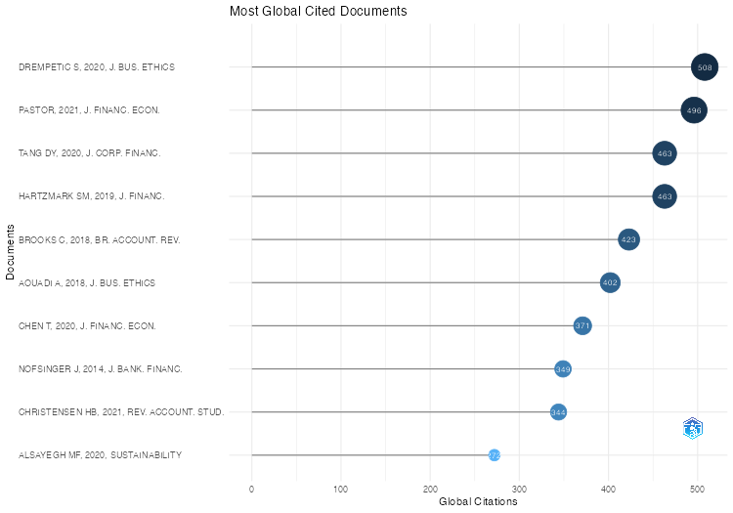
Paper | DOI | Total Citations | TC per Year | Normalized TC
DREMPETIC S, 2020, J. BUS. ETHICS | 10.1007/s10551-019-04164-1 | 508 | 101.6 | 7.3768976898
PASTOR, 2021, J. FINANC. ECON. | 10.1016/j.jfineco.2020.12.011 | 496 | 124 | 14.160493827
TANG DY, 2020, J. CORP. FINANC. | 10.1016/j.jcorpfin.2018.12.001 | 463 | 92.6 | 6.7234323432
HARTZMARK SM, 2019, J. FINANC. | 10.1111/jofi.12841 | 463 | 77.166666667 | 7.2570532915
BROOKS C, 2018, BR. ACCOUNT. REV. | 10.1016/j.bar.2017.11.005 | 423 | 60.428571429 | 5.5536105033
AOUADI A, 2018, J. BUS. ETHICS | 10.1007/s10551-016-3213-8 | 402 | 57.428571429 | 5.2778993435
CHEN T, 2020, J. FINANC. ECON. | 10.1016/j.jfineco.2019.06.007 | 371 | 74.2 | 5.3874587459
NOFSINGER J, 2014, J. BANK. FINANC. | 10.1016/j.jbankfin.2013.12.016 | 349 | 31.727272727 | 7.3046511628
CHRISTENSEN HB, 2021, REV. ACCOUNT. STUD. | 10.1007/s11142-021-09609-5 | 344 | 86 | 9.8209876543
ALSAYEGH MF, 2020, SUSTAINABILITY | 10.3390/su12093910 | 272 | 54.4 | 3.9498349835
CHEN Z, 2022, INT. REV. FINANC. ANAL. | 10.1016/j.irfa.2022.102291 | 270 | 90 | 14.217935349
ATAN R, 2018, MANAG. ENVIRON. QUAL. INT. J. | 10.1108/MEQ-03-2017-0033 | 256 | 36.571428571 | 3.3610503282
BUSCH T, 2016, BUS. SOC. | 10.1177/0007650315570701 | 232 | 25.777777778 | 5.9487179487
DORFLEITNER G, 2015, J. ASSET MANAG. | 10.1057/jam.2015.31 | 216 | 21.6 | 2.7298578199
LARCKER DF, 2020, J. ACCOUNT. ECON. | 10.1016/j.jacceco.2020.101312 | 204 | 40.8 | 2.9623762376
WIDYAWATI L, 2020, BUS. STRATEGY ENVIRON. | 10.1002/bse.2393 | 197 | 39.4 | 2.8607260726
BOUSLAH K, 2018, J. BUS. ETHICS | 10.1007/s10551-016-3017-x | 177 | 25.285714286 | 2.3238512035
STROEBEL J, 2021, J. FINANC. ECON. | 10.1016/j.jfineco.2021.08.004 | 168 | 42 | 4.7962962963
BARKO T, 2022, J. BUS. ETHICS | 10.1007/s10551-021-04850-z | 158 | 52.666666667 | 8.3201251303
NOFSINGER JR, 2019, J. CORP. FINANC. | 10.1016/j.jcorpfin.2019.07.012 | 156 | 26 | 2.4451410658
GARCÍA-SÁNCHEZ I-M, 2020, BUS. STRATEGY ENVIRON. | 10.1002/bse.2485 | 149 | 29.8 | 2.1636963696
LANDI G, 2019, SOC. RESPONSIB. J. | 10.1108/SRJ-11-2017-0254 | 148 | 24.666666667 | 2.3197492163
MALTAIS A, 2021, J. SUSTAIN. FINANC. INVEST. | 10.1080/20430795.2020.1724864 | 141 | 35.25 | 4.025462963
REES W, 2015, CORP. GOVERNANCE: INT. REV. | 10.1111/corg.12086 | 140 | 14 | 1.7693522907
VELTE P, 2022, MANAG. REV. Q. | 10.1007/s11301-021-00211-2 | 128 | 42.666666667 | 6.740354536
LO KY, 2017, CORP. SOC. RESPONSIB. ENVIRON. MANAG. | 10.1002/csr.1431 | 116 | 14.5 | 3.5623800384
MǍNESCU C, 2011, SUSTAIN. DEV. | 10.1002/sd.510 | 112 | 8 | 1.4358974359
ECCLES NS, 2011, J. BUS. ETHICS | 10.1007/s10551-011-0917-7 | 109 | 7.7857142857 | 1.3974358974
KIM I, 2019, MANAG. SCI. | 10.1287/mnsc.2018.3055 | 105 | 17.5 | 1.6457680251
BOFINGER Y, 2022, J. BANK. FINANC. | 10.1016/j.jbankfin.2021.106322 | 104 | 34.666666667 | 5.4765380605
AVETISYAN E, 2017, BUS. STRATEGY ENVIRON. | 10.1002/bse.1919 | 104 | 13 | 3.1938579655
GALAZ V, 2018, GLOB. ENVIRON. CHANG. | 10.1016/j.gloenvcha.2018.09.008 | 100 | 14.285714286 | 1.3129102845
BAUER R, 2021, REV. FINANC. STUD. | 10.1093/rfs/hhab037 | 99 | 24.75 | 2.8263888889
CRIFO P, 2019, J. BUS. ETHICS | 10.1007/s10551-018-3866-6 | 98 | 16.333333333 | 1.5360501567
CRIFO P, 2015, J. CORP. FINANC. | 10.1016/j.jcorpfin.2014.12.006 | 97 | 9.7 | 1.2259083728
EDMANS A, 2023, FINANC. MANAG. | 10.1111/fima.12413 | 97 | 48.5 | 11.138403042
VON WALLIS M, 2015, BUS. RES. | 10.1007/s40685-014-0015-7 | 94 | 9.4 | 1.1879936809
MUÑOZ-TORRES MJ, 2019, CORP. SOC. RESPONSIB. ENVIRON. MANAG. | 10.1002/csr.1695 | 93 | 15.5 | 1.4576802508
ESCRIG-OLMEDO E, 2017, J. CLEAN. PROD. | 10.1016/j.jclepro.2017.06.143 | 91 | 11.375 | 2.7946257198
CUNHA FAFDS, 2021, BUS. STRATEGY ENVIRON. | 10.1002/bse.2842 | 89 | 22.25 | 2.5408950617
SHARMA P, 2020, INT. J. DISCL. GOV. | 10.1057/s41310-020-00085-y | 89 | 17.8 | 1.2924092409
MIGLIORELLI M, 2021, SUSTAINABILITY | 10.3390/su13020975 | 88 | 22 | 2.512345679
SANDBERG J, 2011, J. BUS. ETHICS | 10.1007/s10551-010-0714-8 | 81 | 5.7857142857 | 1.0384615385
...

WordCloud
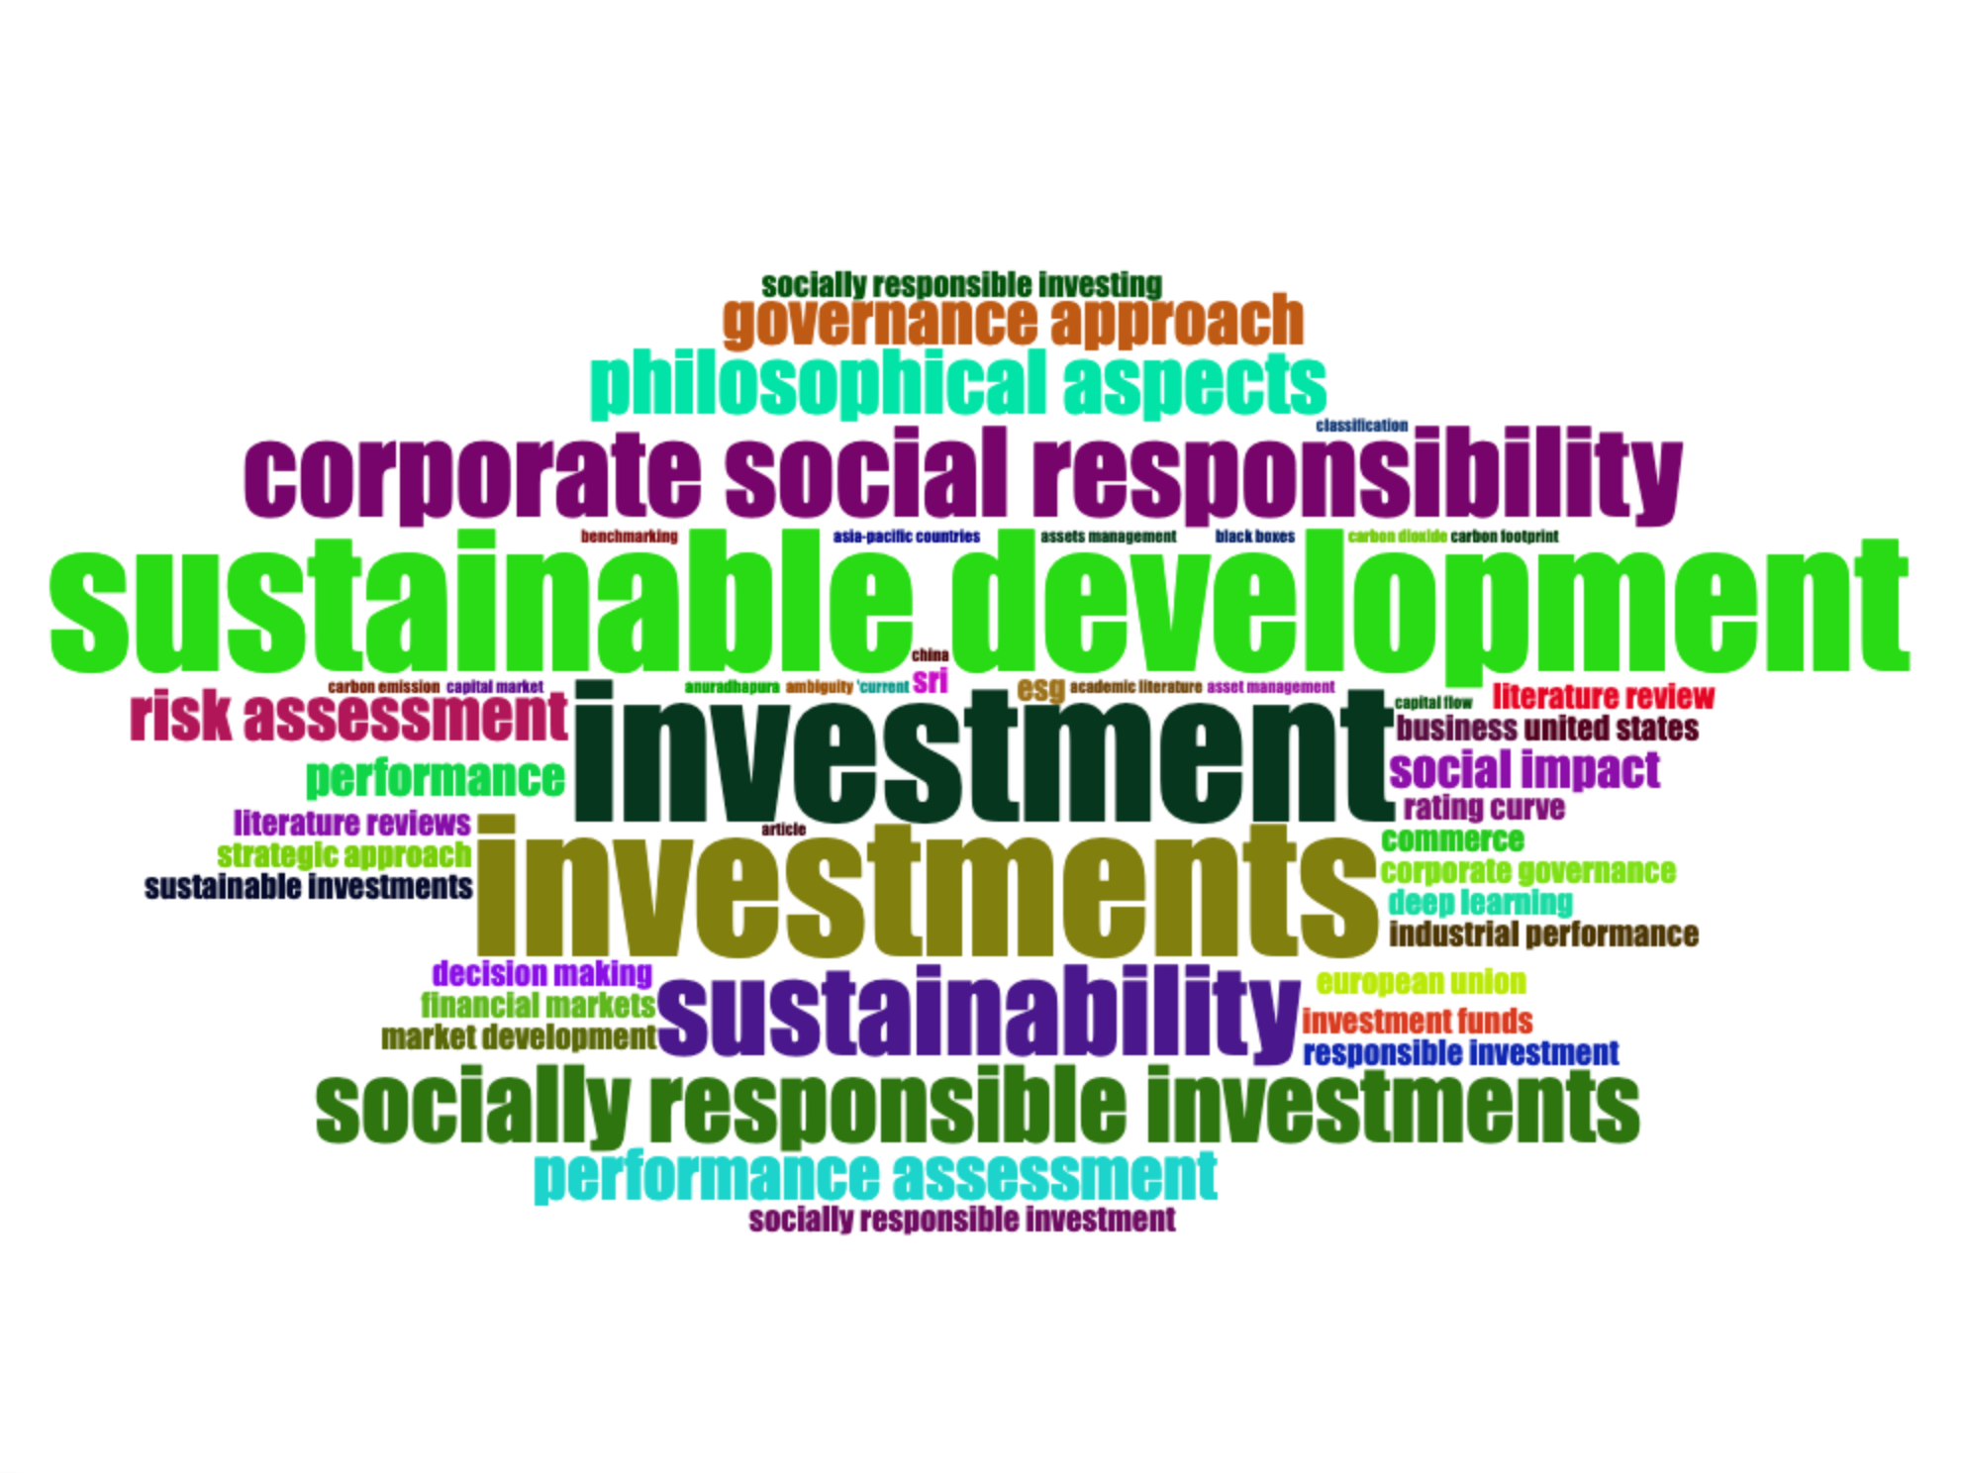
Terms | Frequency
investment | 11
investments | 11
sustainable development | 11
corporate social responsibility | 7
sustainability | 7
socially responsible investments | 6
philosophical aspects | 5
governance approach | 4
performance assessment | 4
risk assessment | 4
performance | 3
social impact | 3
business | 2
commerce | 2
corporate governance | 2
decision making | 2
deep learning | 2
esg | 2
european union | 2
financial markets | 2
industrial performance | 2
investment funds | 2
literature review | 2
literature reviews | 2
market development | 2
rating curve | 2
responsible investment | 2
socially responsible investing | 2
socially responsible investment | 2
sri | 2
strategic approach | 2
sustainable investments | 2
united states | 2
'current | 1
academic literature | 1
ambiguity | 1
anuradhapura | 1
article | 1
asia-pacific countries | 1
asset management | 1
assets management | 1
benchmarking | 1
black boxes | 1
capital flow | 1
capital market | 1
carbon dioxide | 1
carbon emission | 1
carbon footprint | 1
...

TreeMap
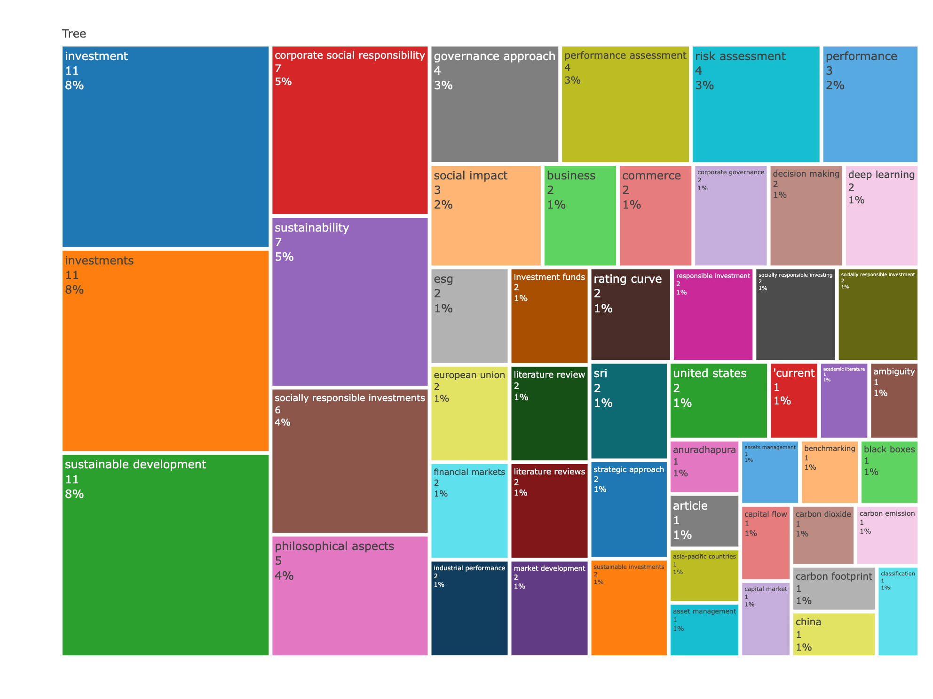
Terms | Frequency
investment | 11
investments | 11
sustainable development | 11
corporate social responsibility | 7
sustainability | 7
socially responsible investments | 6
philosophical aspects | 5
governance approach | 4
performance assessment | 4
risk assessment | 4
performance | 3
social impact | 3
business | 2
commerce | 2
corporate governance | 2
decision making | 2
deep learning | 2
esg | 2
european union | 2
financial markets | 2
industrial performance | 2
investment funds | 2
literature review | 2
literature reviews | 2
market development | 2
rating curve | 2
responsible investment | 2
socially responsible investing | 2
socially responsible investment | 2
sri | 2
strategic approach | 2
sustainable investments | 2
united states | 2
'current | 1
academic literature | 1
ambiguity | 1
anuradhapura | 1
article | 1
asia-pacific countries | 1
asset management | 1
assets management | 1
benchmarking | 1
black boxes | 1
capital flow | 1
capital market | 1
carbon dioxide | 1
carbon emission | 1
carbon footprint | 1
...

CoWordNet
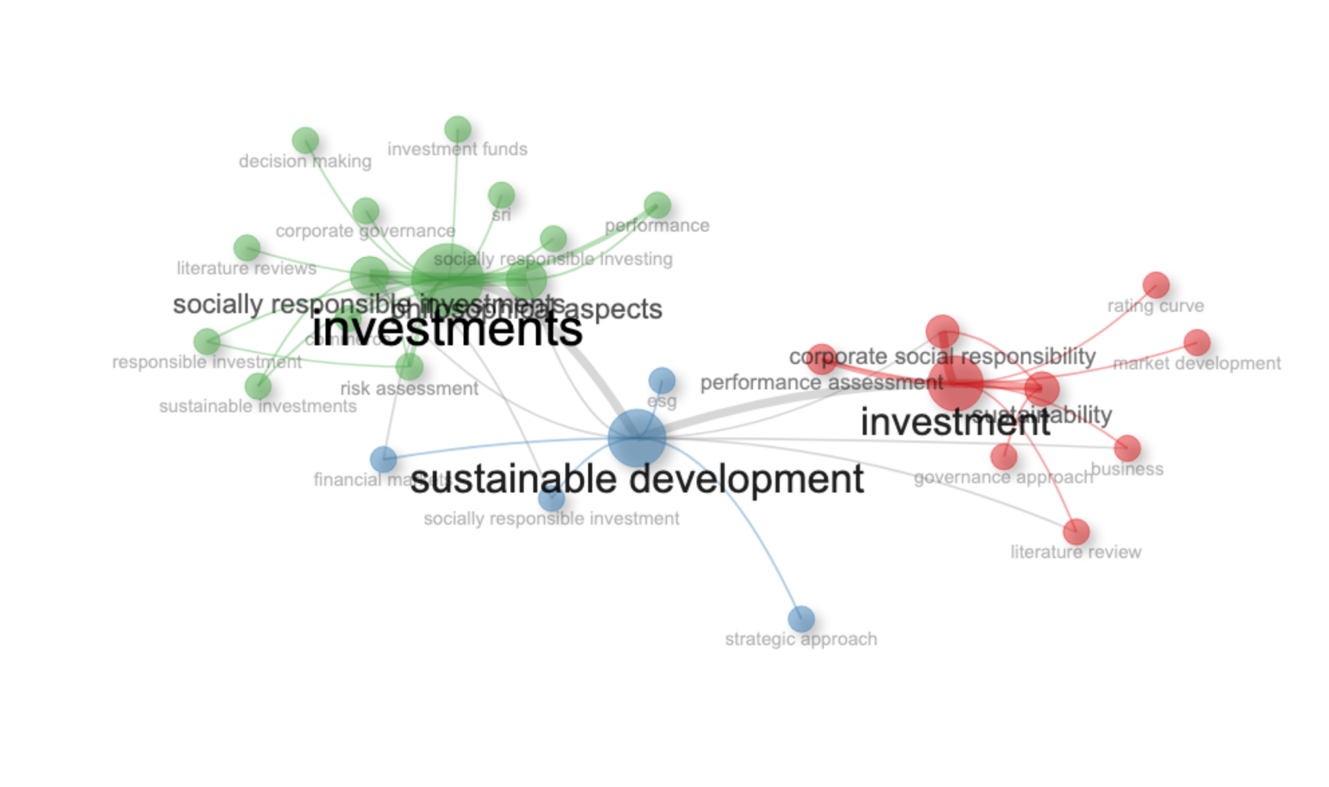
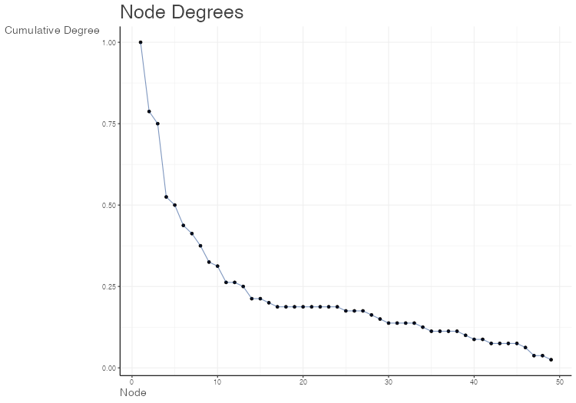
Node | Cluster | Betweenness | Closeness | PageRank
investment | 1 | 108.98333333 | 0.017543859649 | 0.10679154265
corporate social responsibility | 1 | 7.6 | 0.016129032258 | 0.037250104608
sustainability | 1 | 26.25 | 0.012658227848 | 0.049467146551
governance approach | 1 | 0 | 0.0095238095238 | 0.013766557771
performance assessment | 1 | 0 | 0.012345679012 | 0.025606489674
business | 1 | 0 | 0.015625 | 0.020947401759
literature review | 1 | 0 | 0.015625 | 0.020947401759
market development | 1 | 0 | 0.012048192771 | 0.013250430792
rating curve | 1 | 0 | 0.012048192771 | 0.013250430792
sustainable development | 2 | 202.63152403 | 0.022727272727 | 0.11771837949
esg | 2 | 0 | 0.014285714286 | 0.013054113824
financial markets | 2 | 0 | 0.01724137931 | 0.021010402418
socially responsible investment | 2 | 0 | 0.014925373134 | 0.020573818856
strategic approach | 2 | 0 | 0.014285714286 | 0.013054113824
investments | 3 | 208.63229402 | 0.022222222222 | 0.18720679045
socially responsible investments | 3 | 16.002811808 | 0.018518518519 | 0.066350338518
philosophical aspects | 3 | 8.4325043378 | 0.018181818182 | 0.057782340956
risk assessment | 3 | 0.46753246753 | 0.014705882353 | 0.033976331984
performance | 3 | 0 | 0.014285714286 | 0.024847728027
commerce | 3 | 0 | 0.014285714286 | 0.02086958373
corporate governance | 3 | 0 | 0.014084507042 | 0.013313431451
decision making | 3 | 0 | 0.014084507042 | 0.013313431451
investment funds | 3 | 0 | 0.014084507042 | 0.013313431451
literature reviews | 3 | 0 | 0.014084507042 | 0.013313431451
responsible investment | 3 | 0 | 0.014285714286 | 0.021564826362
socially responsible investing | 3 | 0 | 0.014084507042 | 0.013313431451
sri | 3 | 0 | 0.014084507042 | 0.013313431451
sustainable investments | 3 | 0 | 0.014492753623 | 0.020833136483

